Box Plots - Human Plasma
PLOT NAME | PATHWAY SORTORDER | BOX PLOT
glycine | 1 | 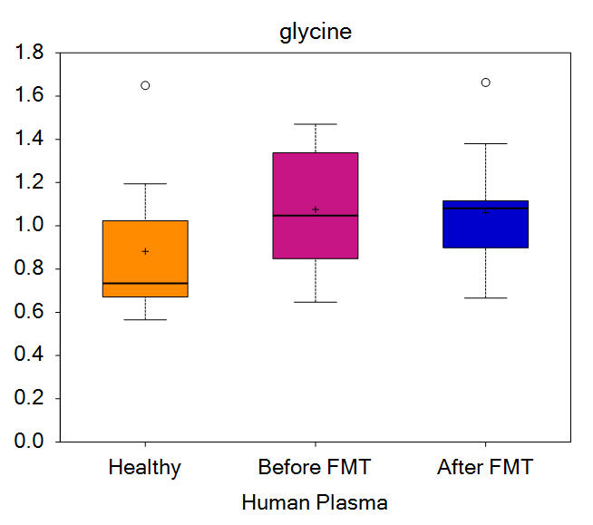
N-acetylglycine | 2 | 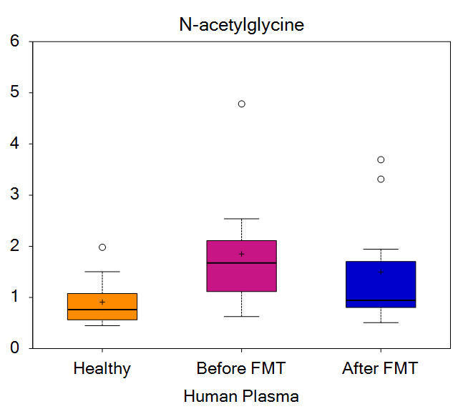
sarcosine | 5 | 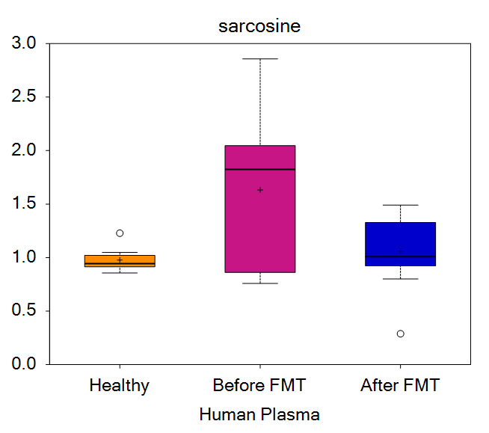
dimethylglycine | 6 | 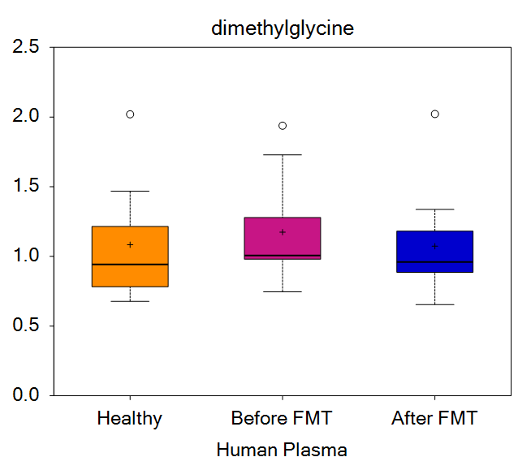
betaine | 7 | 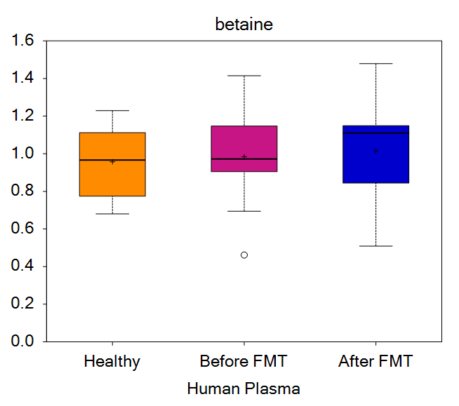
serine | 10 | 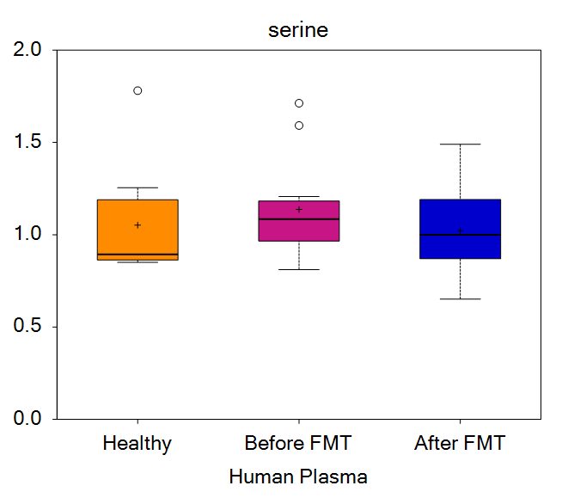
N-acetylserine | 11 | 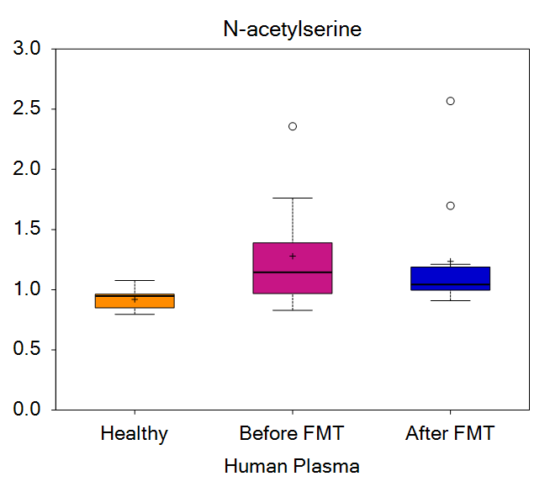
2-methylserine | 16 | 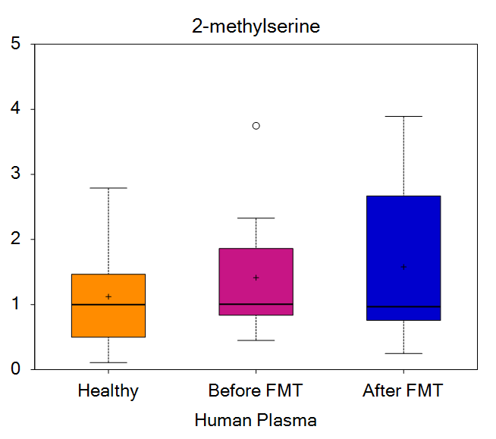
threonine | 17 | 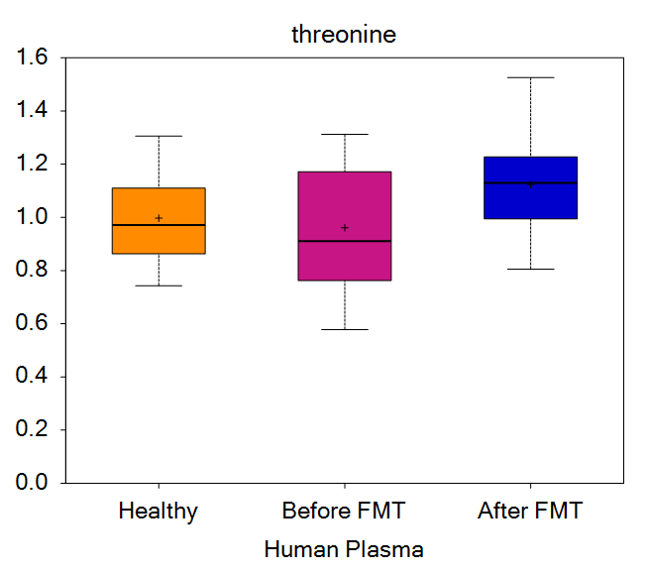
N-acetylthreonine | 18 | 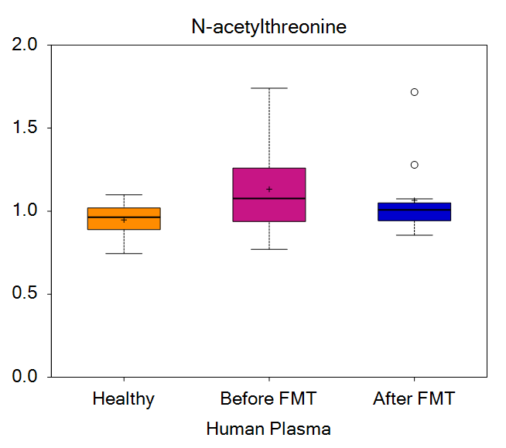
allo-threonine | 19 | 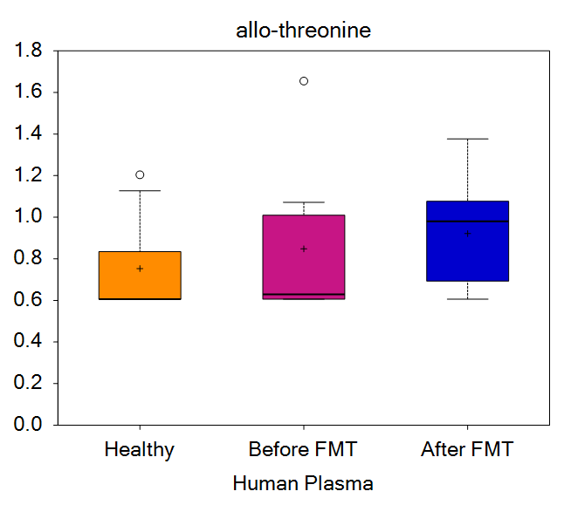
alanine | 29 | 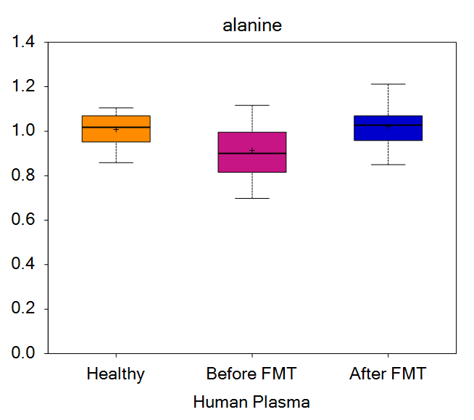
N-acetylalanine | 31 | 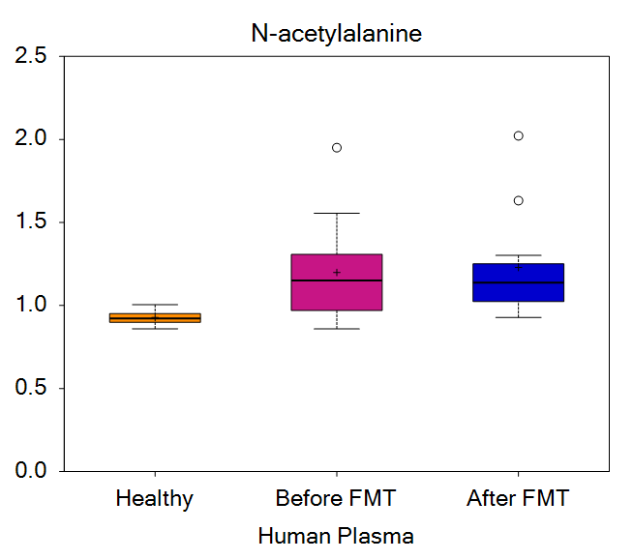
N,N-dimethylalanine | 33 | 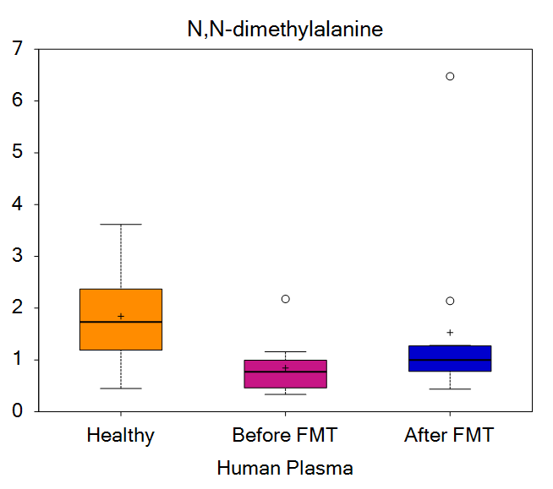
N-carbamoylalanine | 35 | 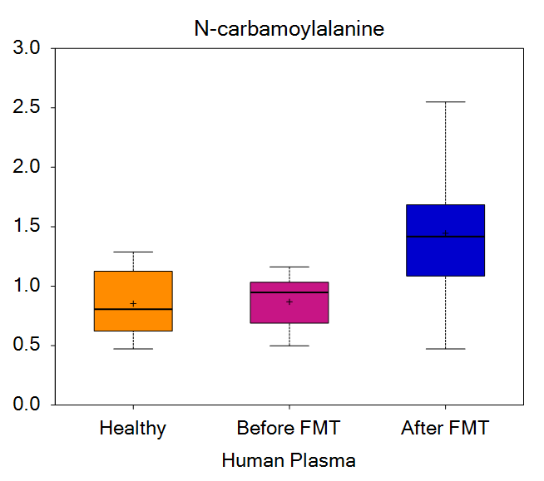
aspartate | 36 | 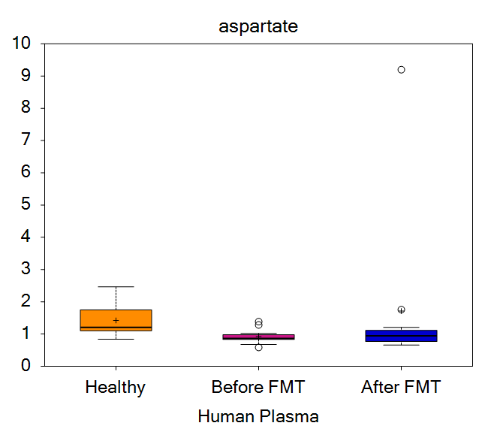
N-acetylaspartate (NAA) | 37 | 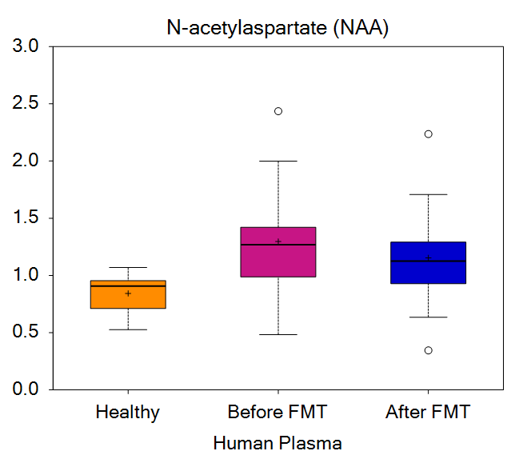
asparagine | 40 | 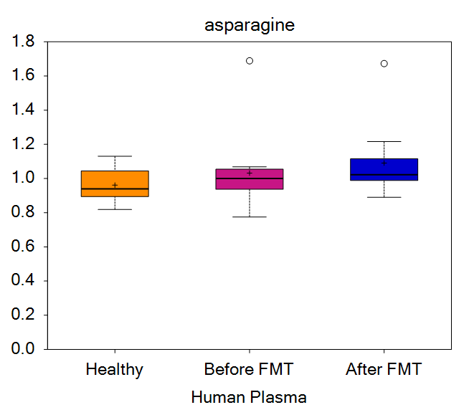
hydroxyasparagine** | 43 | 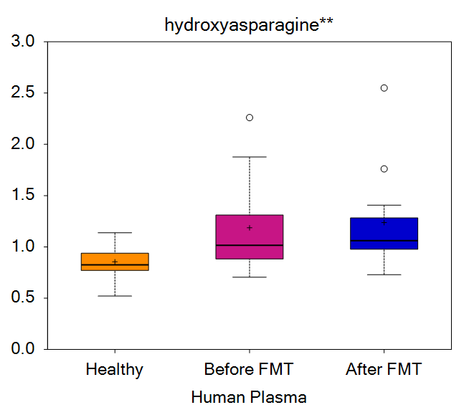
glutamate | 46 | 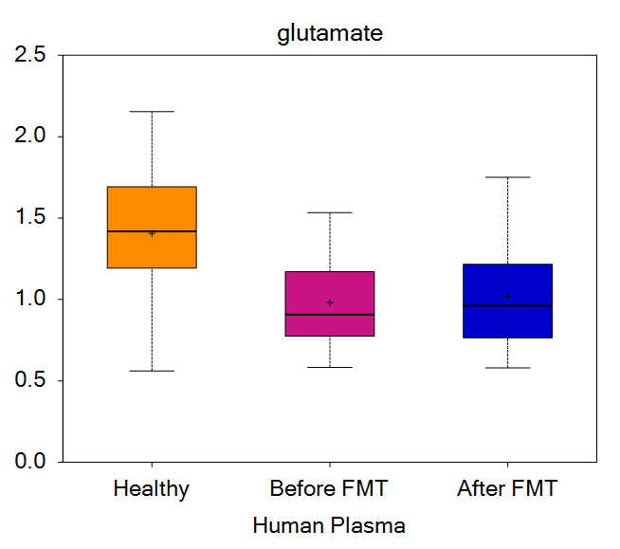
glutamine | 47 | 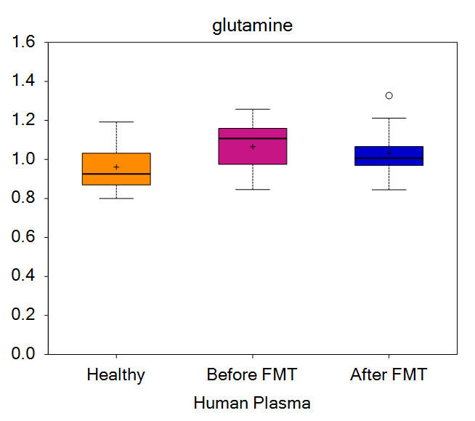
N-acetylglutamate | 49 | 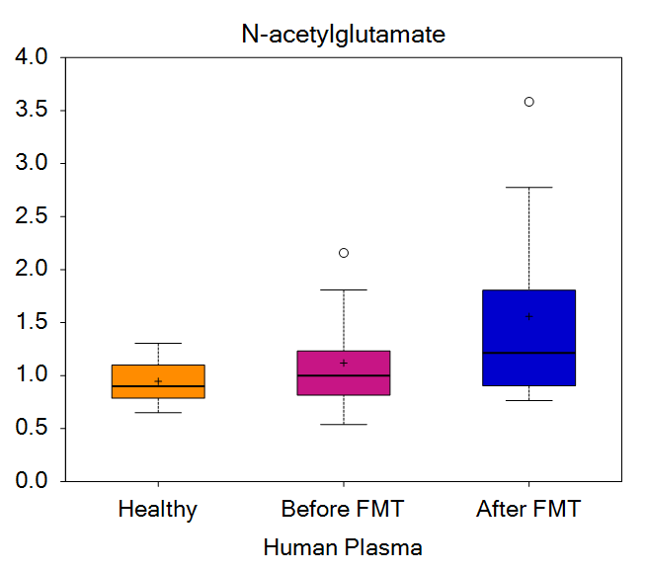
N-acetylglutamine | 50 | 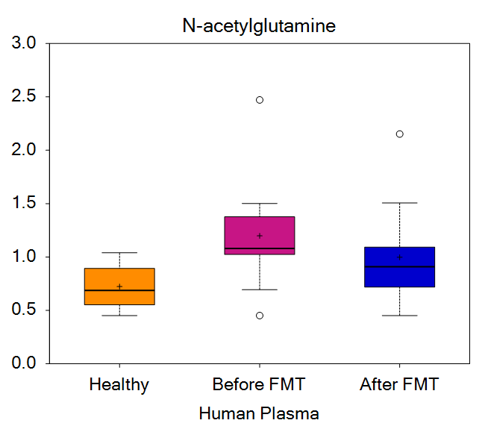
4-hydroxyglutamate | 53 | 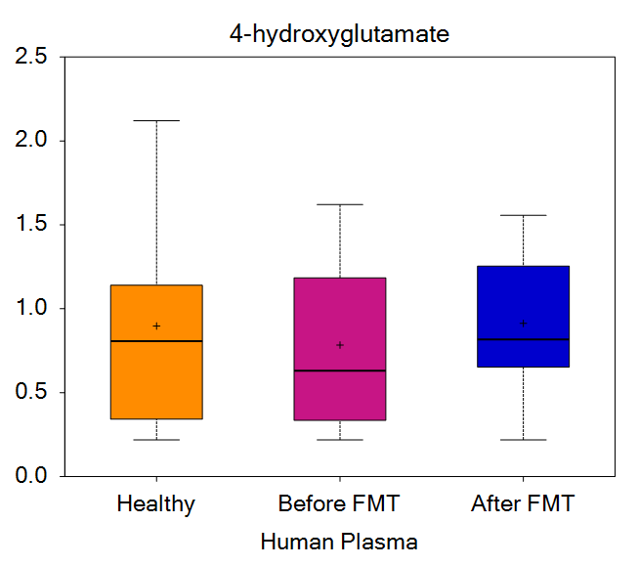
gamma-carboxyglutamate | 55 | 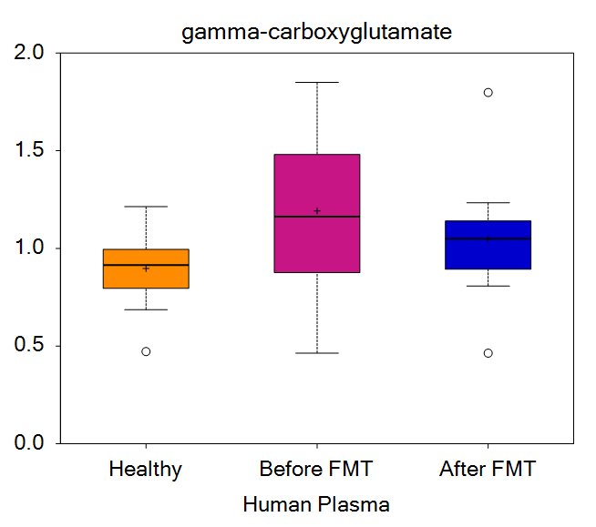
N-acetyl-aspartyl-glutamate (NAAG) | 57 | 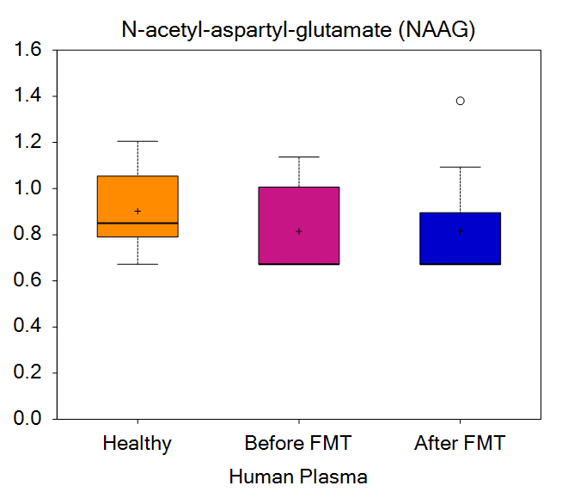
beta-citrylglutamate | 58 | 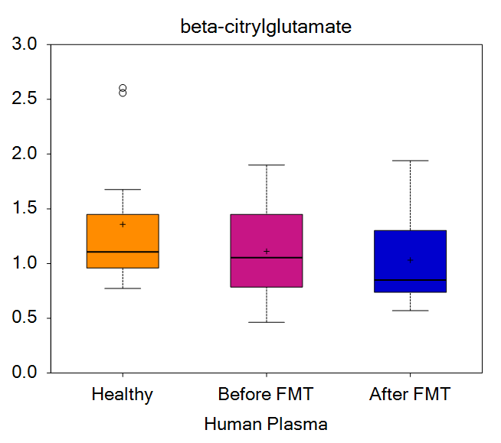
2-pyrrolidinone | 62 | 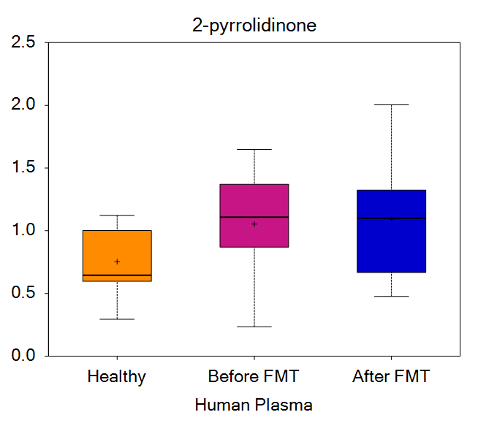
S-1-pyrroline-5-carboxylate | 64 | 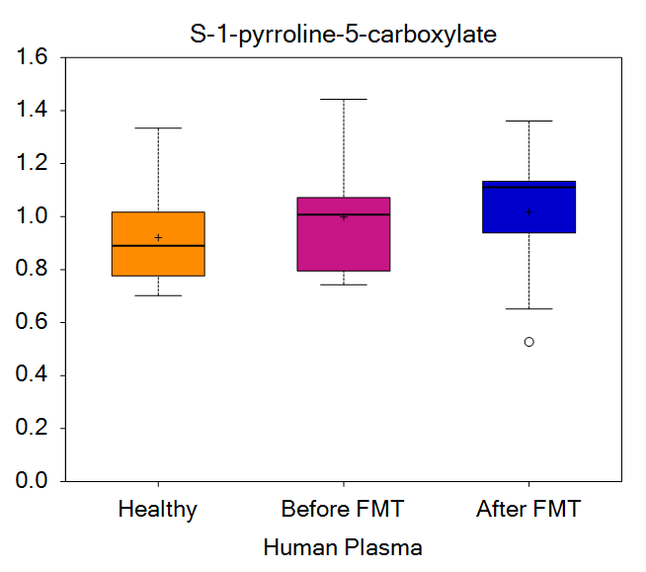
citramalate | 65 | 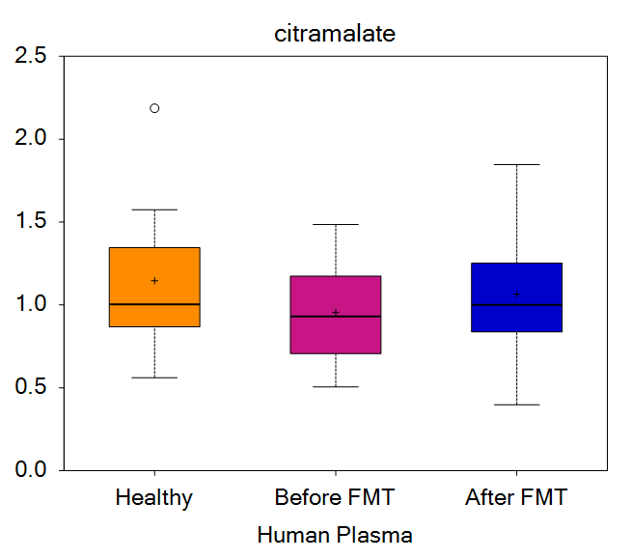
2-amino-4-cyanobutanoate | 72 | 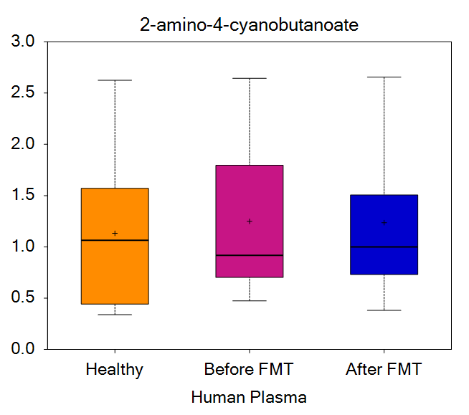
histidine | 73 | 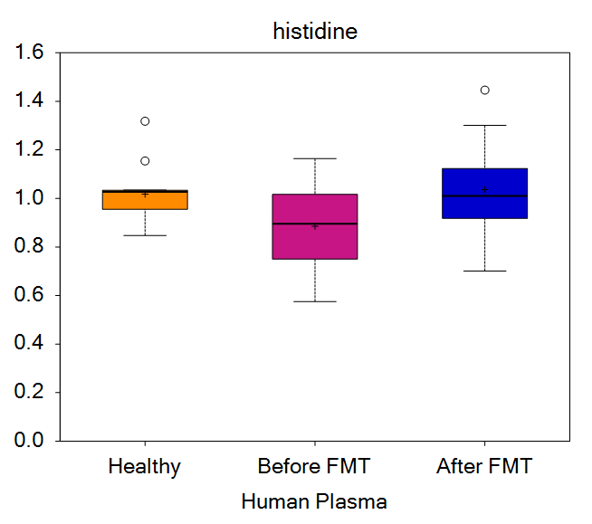
1-methylhistidine | 74 | 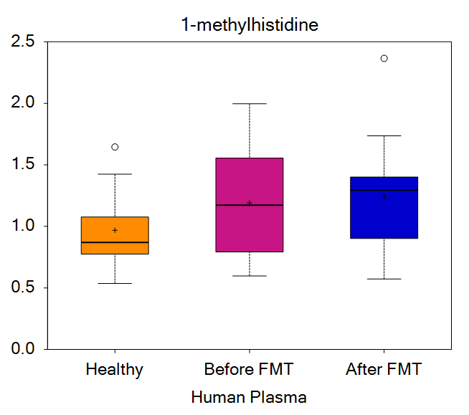
3-methylhistidine | 75 | 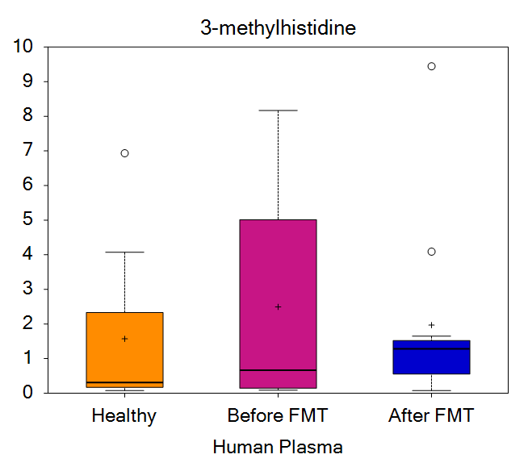
N-acetylhistidine | 76 | 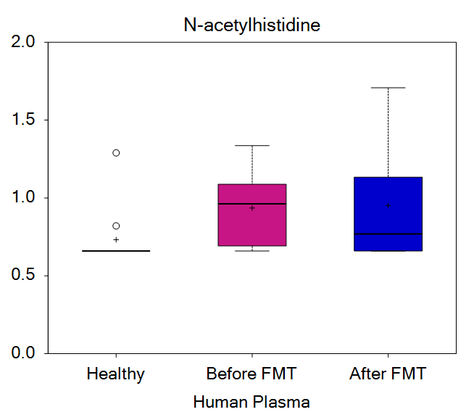
hydantoin-5-propionate | 80 | 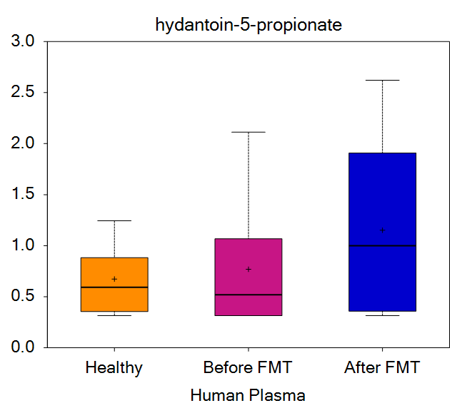
trans-urocanate | 81 | 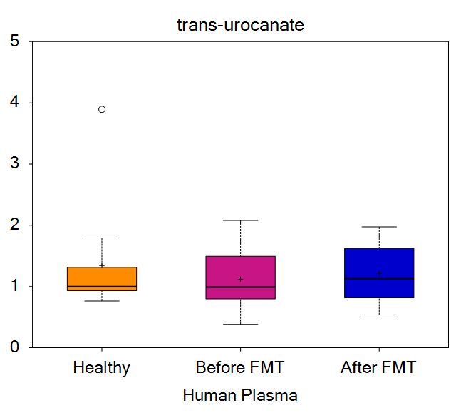
cis-urocanate | 82 | 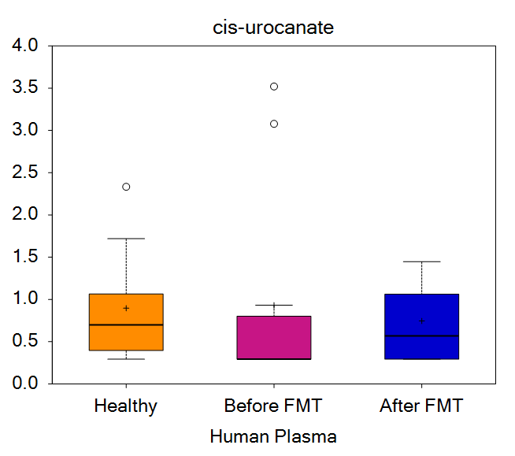
imidazole propionate | 83 | 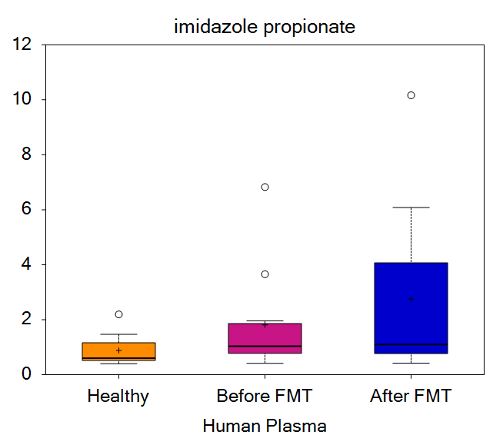
formiminoglutamate | 84 | 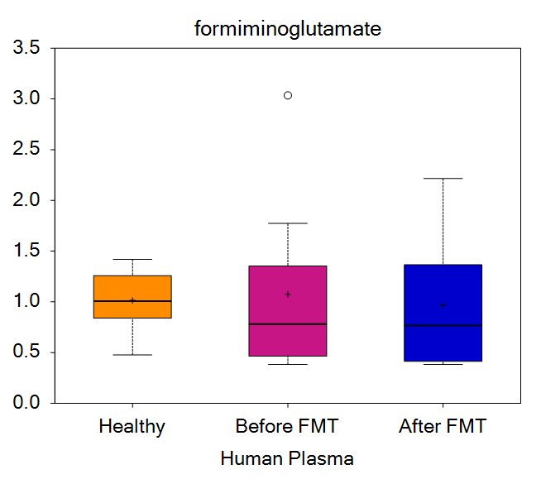
imidazole lactate | 86 | 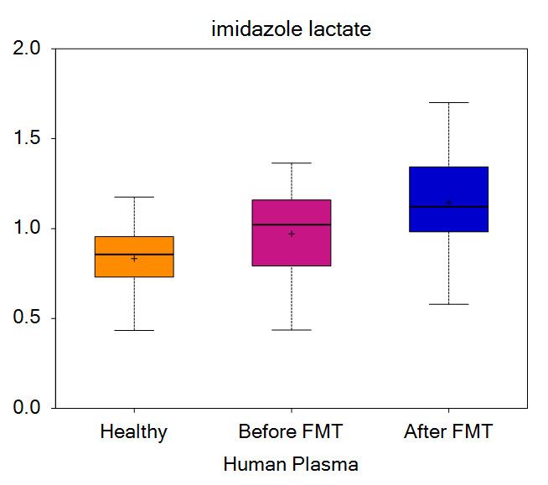
carnosine | 87 | 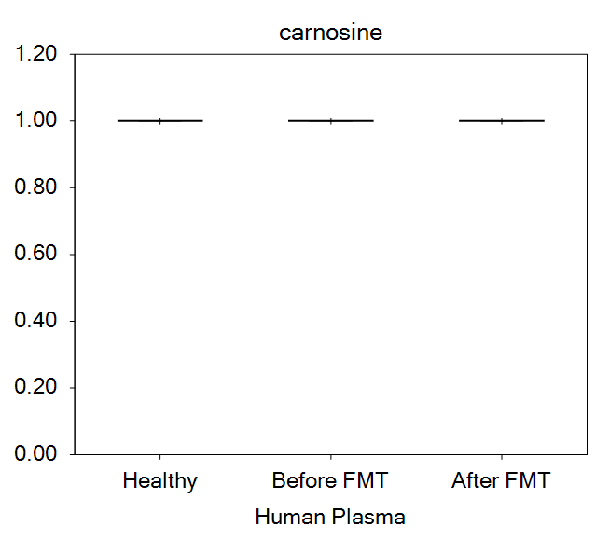
N-acetylcarnosine | 89 | 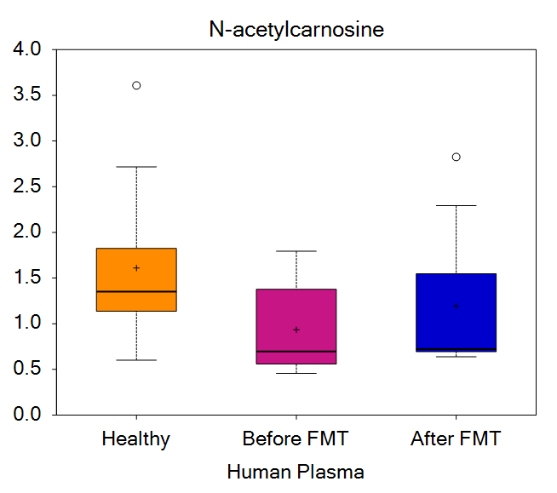
1-methyl-4-imidazoleacetate | 94 | 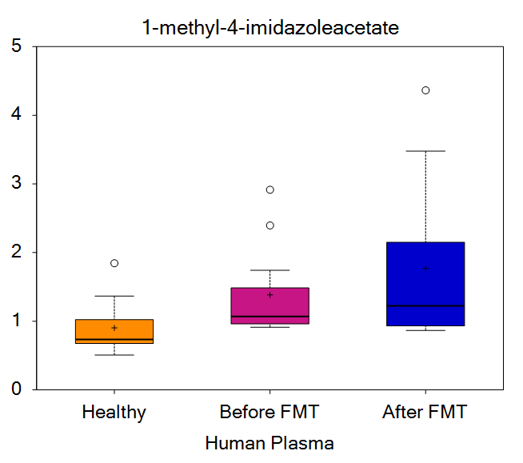
1-methyl-5-imidazoleacetate | 95 | 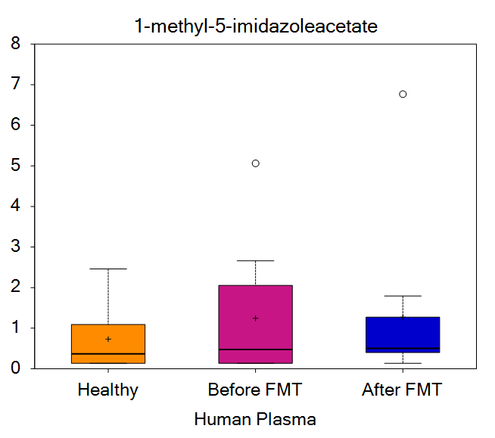
1-methyl-5-imidazolelactate | 96 | 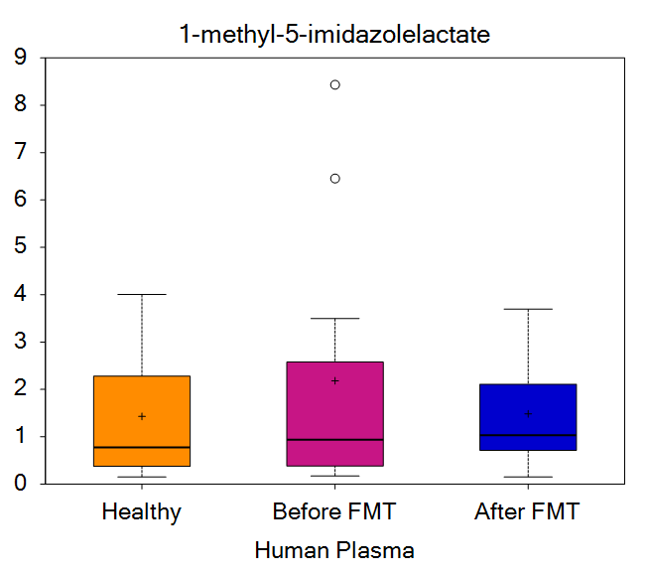
4-imidazoleacetate | 100 | 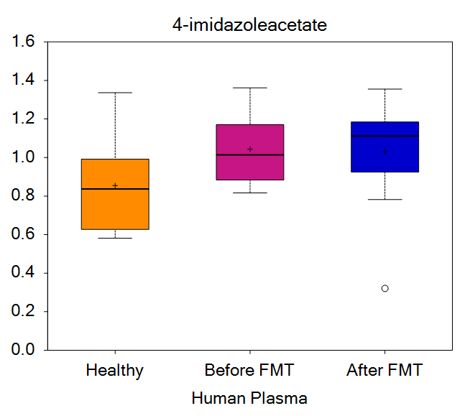
lysine | 108 | 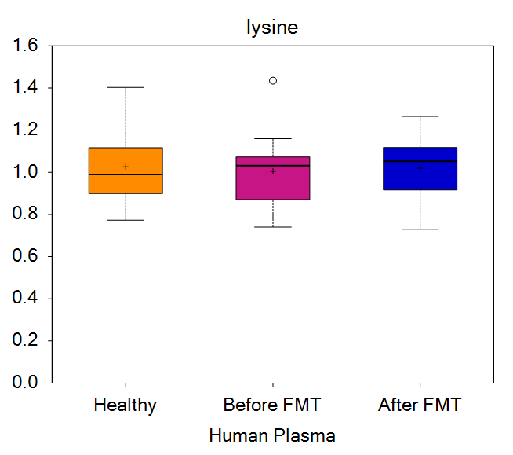
N6-acetyllysine | 110 | 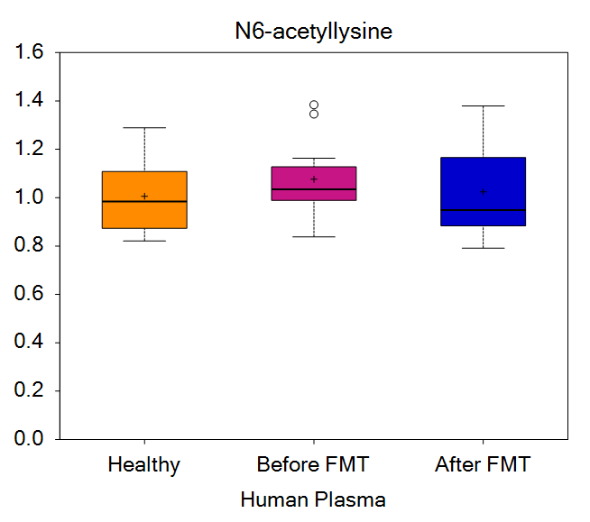
N2-acetyl,N6-methyllysine | 112 | 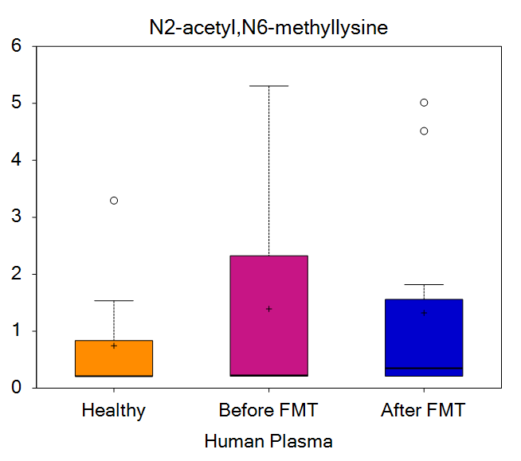
N2-acetyl,N6,N6-dimethyllysine | 113 | 
N6-methyllysine | 117 | 
N6,N6-dimethyllysine | 118 | 
N6,N6,N6-trimethyllysine | 119 | 
hydroxy-N6,N6,N6-trimethyllysine* | 120 | 
5-hydroxylysine | 122 | 
5-(galactosylhydroxy)-lysine | 123 | 
fructosyllysine | 124 | 
2-aminoadipate | 126 | 
glutarylcarnitine (C5-DC) | 130 | 
pipecolate | 134 | 
6-oxopiperidine-2-carboxylate | 136 | 
N,N-dimethyl-5-aminovalerate | 140 | 
N,N,N-trimethyl-5-aminovalerate | 141 | 
N-acetyl-2-aminoadipate | 142 | 
phenylalanine | 143 | 
N-acetylphenylalanine | 145 | 
N-succinyl-phenylalanine | 148 | 
phenylpyruvate | 156 | 
phenyllactate (PLA) | 157 | 
2-hydroxyphenylacetate | 162 | 
4-hydroxyphenylacetate | 165 | 
tyrosine | 168 | 
N-acetyltyrosine | 169 | 
3-(4-hydroxyphenyl)lactate (HPLA) | 187 | 
phenol sulfate | 196 | 
phenol glucuronide | 197 | 
4-methoxyphenol sulfate | 199 | 
vanillactate | 207 | 
vanillylmandelate (VMA) | 208 | 
3-methoxytyrosine | 210 | 
3-methoxytyramine sulfate | 212 | 
dopamine 3-O-sulfate | 230 | 
p-cresol glucuronide* | 231 | 
tyramine O-sulfate | 232 | 
N-formylphenylalanine | 233 | 
vanillic alcohol sulfate | 234 | 
catechol glucuronide | 243 | 
thyroxine | 251 | 
tryptophan | 261 | 
N-acetyltryptophan | 262 | 
C-glycosyltryptophan | 268 | 
oxindolylalanine | 270 | 
tryptophan betaine | 271 | 
kynurenine | 274 | 
N-acetylkynurenine (2) | 277 | 
kynurenate | 279 | 
N-formylanthranilic acid | 281 | 
anthranilate | 282 | 
xanthurenate | 285 | 
8-methoxykynurenate | 286 | 
picolinate | 289 | 
indolelactate | 305 | 
indoleacetate | 306 | 
indolepropionate | 312 | 
indoleacetylglutamine | 314 | 
indolebutyrate | 324 | 
3-indoxyl sulfate | 329 | 
6-bromotryptophan | 334 | 
leucine | 339 | 
N-acetylleucine | 343 | 
4-methyl-2-oxopentanoate | 350 | 
alpha-hydroxyisocaproate | 354 | 
2-ketocaprylate | 355 | 
isovalerate (C5) | 358 | 
isovalerylglycine | 360 | 
isovalerylcarnitine (C5) | 361 | 
beta-hydroxyisovalerate | 370 | 
beta-hydroxyisovaleroylcarnitine | 371 | 
3-methylglutaconate | 374 | 
3-methylglutarylcarnitine (2) | 382 | 
isoleucine | 392 | 
N-acetylisoleucine | 394 | 
3-methyl-2-oxovalerate | 401 | 
2-hydroxy-3-methylvalerate | 402 | 
2-methylbutyrylcarnitine (C5) | 404 | 
2-methylbutyrylglycine (C5) | 406 | 
tiglyl carnitine (C5) | 407 | 
3-hydroxy-2-ethylpropionate | 412 | 
ethylmalonate | 414 | 
methylsuccinate | 417 | 
valine | 423 | 
N-acetylvaline | 424 | 
N-carbamoylvaline | 426 | 
3-methyl-2-oxobutyrate | 430 | 
alpha-hydroxyisovalerate | 431 | 
isobutyrylcarnitine (C4) | 433 | 
isobutyrylglycine (C4) | 434 | 
3-hydroxyisobutyrate | 435 | 
2,3-dihydroxy-2-methylbutyrate | 436 | 
methionine | 442 | 
N-acetylmethionine | 443 | 
N-formylmethionine | 445 | 
methionine sulfone | 447 | 
methionine sulfoxide | 448 | 
S-adenosylhomocysteine (SAH) | 454 | 
2,3-dihydroxy-5-methylthio-4-pentenoate (DMTPA)* | 456 | 
2-hydroxy-4-(methylthio)butanoic acid | 457 | 
alpha-ketobutyrate | 462 | 
cysteine | 463 | 
S-methylcysteine | 465 | 
S-methylcysteine sulfoxide | 466 | 
S-carboxyethylcysteine | 468 | 
cysteine s-sulfate | 469 | 
cystine | 470 | 
cysteine sulfinic acid | 476 | 
taurine | 479 | 
N-acetyltaurine | 481 | 
arginine | 492 | 
urea | 494 | 
ornithine | 496 | 
3-amino-2-piperidone | 498 | 
2-oxoarginine* | 500 | 
citrulline | 501 | 
homoarginine | 502 | 
homocitrulline | 503 | 
proline | 504 | 
dimethylarginine (ADMA + SDMA) | 507 | 
N-acetylarginine | 508 | 
N-acetylcitrulline | 513 | 
N-acetylproline | 514 | 
N-delta-acetylornithine | 517 | 
N-alpha-acetylornithine | 518 | 
N2,N5-diacetylornithine | 519 | 
N-methylhydroxyproline** | 521 | 
hydroxyproline | 522 | 
prolylhydroxyproline | 524 | 
N-methylproline | 527 | 
N,N,N-trimethyl-alanylproline betaine (TMAP) | 528 | 
argininate* | 531 | 
guanidinoacetate | 537 | 
creatine | 538 | 
creatinine | 539 | 
N-acetylputrescine | 548 | 
N-acetyl-isoputreanine | 554 | 
spermidine | 555 | 
(N(1) + N(8))-acetylspermidine | 560 | 
acisoga | 561 | 
5-methylthioadenosine (MTA) | 566 | 
4-acetamidobutanoate | 570 | 
1-methylguanidine | 572 | 
4-guanidinobutanoate | 573 | 
guanidinosuccinate | 574 | 
cysteine-glutathione disulfide | 583 | 
cysteinylglycine | 586 | 
cysteinylglycine disulfide* | 587 | 
cys-gly, oxidized | 588 | 
5-oxoproline | 589 | 
2-hydroxybutyrate/2-hydroxyisobutyrate | 592 | 
N-lactoyl isoleucine | 643 | 
N-lactoyl leucine | 644 | 
N-lactoyl phenylalanine | 646 | 
N-lactoyl tyrosine | 647 | 
N-lactoyl valine | 648 | 
gamma-glutamylalanine | 650 | 
gamma-glutamylglutamate | 653 | 
gamma-glutamylglutamine | 654 | 
gamma-glutamylglycine | 655 | 
gamma-glutamylhistidine | 656 | 
gamma-glutamylisoleucine* | 657 | 
gamma-glutamylleucine | 658 | 
gamma-glutamyl-alpha-lysine | 659 | 
gamma-glutamyl-epsilon-lysine | 660 | 
gamma-glutamylmethionine | 661 | 
gamma-glutamylphenylalanine | 662 | 
gamma-glutamylthreonine | 663 | 
gamma-glutamyltryptophan | 664 | 
gamma-glutamyltyrosine | 665 | 
gamma-glutamylvaline | 666 | 
gamma-glutamylcitrulline* | 668 | 
isoleucylhydroxyproline* | 671 | 
leucylhydroxyproline* | 672 | 
cyclo(ala-pro) | 753 | 
cyclo(gly-pro) | 765 | 
cyclo(leu-pro) | 782 | 
cyclo(pro-val) | 803 | 
glycylleucine | 840 | 
glycylvaline | 850 | 
isoleucylalanine | 868 | 
isoleucylglycine | 874 | 
leucylglycine | 893 | 
phenylalanylphenylalanine | 952 | 
phenylalanyltryptophan | 957 | 
prolylalanine | 962 | 
tryptophylleucine | 1024 | 
valylglycine | 1058 | 
isoleucylleucine/leucylisoleucine | 1072 | 
glu-gly-asn-val** | 1171 | 
fibrinopeptide A (2-15)** | 1197 | 
fibrinopeptide A (3-15)** | 1198 | 
fibrinopeptide A (4-15)** | 1199 | 
fibrinopeptide A (3-16)** | 1200 | 
fibrinopeptide A (5-16)* | 1201 | 
fibrinopeptide A, des-ala(1)* | 1204 | 
fibrinopeptide B (1-9)** | 1216 | 
fibrinopeptide B (1-11)** | 1217 | 
fibrinopeptide B (1-12)** | 1218 | 
fibrinopeptide B (1-13)** | 1219 | 
phenylacetylcarnitine | 1223 | 
phenylacetylglutamate | 1225 | 
phenylacetylglutamine | 1226 | 
4-hydroxyphenylacetylglutamine | 1228 | 
pyroglutamylalanine* | 1241 | 
pyroglutamylglutamine | 1244 | 
pyroglutamylglycine | 1245 | 
pyroglutamylvaline | 1257 | 
N,N-dimethyl-pro-pro | 1258 | 
1,5-anhydroglucitol (1,5-AG) | 1259 | 
glucose | 1262 | 
3-phosphoglycerate | 1276 | 
pyruvate | 1278 | 
lactate | 1279 | 
glycerate | 1282 | 
ribitol | 1301 | 
ribonate | 1302 | 
arabitol/xylitol | 1316 | 
maltotetraose | 1334 | 
maltotriose | 1336 | 
maltose | 1339 | 
sucrose | 1365 | 
fructose | 1386 | 
mannitol/sorbitol | 1391 | 
mannose | 1392 | 
galactonate | 1412 | 
glucuronate | 1446 | 
N-acetylneuraminate | 1458 | 
N-acetylglucosaminylasparagine | 1470 | 
erythronate* | 1471 | 
N-acetylglucosamine/N-acetylgalactosamine | 1473 | 
N6-carboxymethyllysine | 1475 | 
citrate | 1479 | 
aconitate [cis or trans] | 1481 | 
alpha-ketoglutarate | 1485 | 
succinylcarnitine (C4-DC) | 1487 | 
succinate | 1488 | 
fumarate | 1489 | 
malate | 1491 | 
citraconate/glutaconate | 1502 | 
phosphate | 1508 | 
butyrate/isobutyrate (4:0) | 1527 | 
valerate (5:0) | 1528 | 
caproate (6:0) | 1534 | 
heptanoate (7:0) | 1535 | 
pelargonate (9:0) | 1537 | 
caprate (10:0) | 1539 | 
cis-4-decenoate (10:1n6)* | 1540 | 
(2 or 3)-decenoate (10:1n7 or n8) | 1543 | 
10-undecenoate (11:1n1) | 1545 | 
laurate (12:0) | 1547 | 
5-dodecenoate (12:1n7) | 1549 | 
myristate (14:0) | 1552 | 
pentadecanoate (15:0) | 1554 | 
palmitate (16:0) | 1555 | 
margarate (17:0) | 1557 | 
stearate (18:0) | 1559 | 
nonadecanoate (19:0) | 1561 | 
myristoleate (14:1n5) | 1571 | 
palmitoleate (16:1n7) | 1574 | 
heptadecenoate (17:1) | 1576 | 
oleate/vaccenate (18:1) | 1578 | 
nonadecenoate (19:1) | 1585 | 
eicosenoate (20:1n9 or 1n11) | 1588 | 
erucate (22:1n9) | 1592 | 
nervonate (24:1n9)* | 1594 | 
tetradecadienoate (14:2)* | 1595 | 
stearidonate (18:4n3) | 1602 | 
eicosapentaenoate (EPA; 20:5n3) | 1605 | 
heneicosapentaenoate (21:5n3) | 1606 | 
docosapentaenoate (DPA; 22:5n3) | 1607 | 
docosahexaenoate (DHA; 22:6n3) | 1608 | 
nisinate (24:6n3) | 1610 | 
hexadecadienoate (16:2n6) | 1611 | 
linoleate (18:2n6) | 1612 | 
linolenate (18:3n3 or 3n6) | 1614 | 
dihomolinoleate (20:2n6) | 1615 | 
dihomolinolenate (20:3n3 or 3n6) | 1617 | 
arachidonate (20:4n6) | 1618 | 
docosatrienoate (22:3n6 or n9)* | 1619 | 
adrenate (22:4n6) | 1620 | 
docosapentaenoate (n6 DPA; 22:5n6) | 1621 | 
docosadienoate (22:2n6) | 1622 | 
mead acid (20:3n9) | 1624 | 
(12 or 13)-methylmyristate (a15:0 or i15:0) | 1682 | 
(14 or 15)-methylpalmitate (a17:0 or i17:0) | 1687 | 
cis-3,4-methyleneheptanoate | 1688 | 
(16 or 17)-methylstearate (a19:0 or i19:0) | 1693 | 
pristanate | 1697 | 
2-hydroxyphytanate* | 1699 | 
glutarate (C5-DC) | 1704 | 
3-methylglutarate/2-methylglutarate | 1707 | 
2-hydroxyglutarate | 1708 | 
4-hydroxy-2-oxoglutaric acid | 1709 | 
adipate | 1710 | 
2-hydroxyadipate | 1712 | 
3-hydroxyadipate | 1713 | 
heptenedioate (C7:1-DC)* | 1719 | 
azelate (C9-DC) | 1724 | 
sebacate (C10-DC) | 1726 | 
decadienedioic acid (C10:2-DC)** | 1727 | 
undecanedioate (C11-DC) | 1728 | 
dodecanedioate (C12) | 1731 | 
3-hydroxydodecanedioate* | 1732 | 
dodecenedioate (C12:1-DC)* | 1733 | 
dodecadienoate (12:2)* | 1734 | 
tridecenedioate (C13:1-DC)* | 1735 | 
tetradecanedioate (C14) | 1736 | 
branched chain 14:0 dicarboxylic acid** | 1738 | 
tetradecadienedioate (C14:2-DC)* | 1739 | 
hexadecanedioate (C16) | 1740 | 
hexadecenedioate (C16:1-DC)* | 1741 | 
octadecanedioate (C18) | 1743 | 
octadecenedioate (C18:1-DC) | 1744 | 
octadecadienedioate (C18:2-DC)* | 1745 | 
eicosanedioate (C20-DC) | 1747 | 
eicosenedioate (C20:1-DC)* | 1748 | 
docosadioate (C22-DC) | 1749 | 
3-carboxy-4-methyl-5-propyl-2-furanpropanoate (CMPF) | 1750 | 
hydroxy-CMPF* | 1751 | 
3-carboxy-4-methyl-5-pentyl-2-furanpropionate (3-CMPFP)** | 1752 | 
oleamide | 1789 | 
palmitamide (16:0) | 1790 | 
2-aminoheptanoate | 1795 | 
2-aminooctanoate | 1800 | 
N-acetyl-2-aminooctanoate* | 1801 | 
butyrylcarnitine (C4) | 1813 | 
butyrylglycine (C4) | 1814 | 
propionylcarnitine (C3) | 1816 | 
propionylglycine (C3) | 1817 | 
hexanoylglutamine | 1826 | 
4-methylhexanoylglutamine | 1829 | 
cis-3,4-methyleneheptanoylglycine | 1859 | 
N-octanoylglycine | 1862 | 
N-palmitoylglycine | 1868 | 
3-hydroxybutyroylglycine** | 1876 | 
picolinoylglycine | 1882 | 
acetylcarnitine (C2) | 1885 | 
hexanoylcarnitine (C6) | 1889 | 
octanoylcarnitine (C8) | 1897 | 
cis-3,4-methyleneheptanoylcarnitine | 1901 | 
nonanoylcarnitine (C9) | 1902 | 
decanoylcarnitine (C10) | 1905 | 
laurylcarnitine (C12) | 1906 | 
myristoylcarnitine (C14) | 1907 | 
palmitoylcarnitine (C16) | 1909 | 
margaroylcarnitine (C17)* | 1910 | 
stearoylcarnitine (C18) | 1911 | 
arachidoylcarnitine (C20)* | 1912 | 
behenoylcarnitine (C22)* | 1913 | 
lignoceroylcarnitine (C24)* | 1914 | 
cerotoylcarnitine (C26)* | 1915 | 
3-decenoylcarnitine | 1924 | 
cis-4-decenoylcarnitine (C10:1) | 1925 | 
undecenoylcarnitine (C11:1) | 1926 | 
5-dodecenoylcarnitine (C12:1) | 1927 | 
myristoleoylcarnitine/physeteroylcarnitine (C14:1)* | 1929 | 
palmitoleoylcarnitine (C16:1)* | 1930 | 
oleoylcarnitine (C18:1) | 1931 | 
eicosenoylcarnitine (C20:1)* | 1932 | 
nervonoylcarnitine (C24:1)* | 1934 | 
ximenoylcarnitine (C26:1)* | 1935 | 
linoleoylcarnitine (C18:2)* | 1936 | 
linolenoylcarnitine (C18:3)* | 1937 | 
dihomo-linoleoylcarnitine (C20:2)* | 1938 | 
arachidonoylcarnitine (C20:4)* | 1939 | 
dihomo-linolenoylcarnitine (C20:3n3 or 6)* | 1940 | 
adrenoylcarnitine (C22:4)* | 1944 | 
docosapentaenoylcarnitine (C22:5n3)* | 1945 | 
docosahexaenoylcarnitine (C22:6)* | 1947 | 
adipoylcarnitine (C6-DC) | 1952 | 
pimeloylcarnitine/3-methyladipoylcarnitine (C7-DC) | 1959 | 
suberoylcarnitine (C8-DC) | 1960 | 
octadecanedioylcarnitine (C18-DC)* | 1962 | 
octadecenedioylcarnitine (C18:1-DC)* | 1963 | 
(R)-3-hydroxybutyrylcarnitine | 1964 | 
(S)-3-hydroxybutyrylcarnitine | 1965 | 
3-hydroxyhexanoylcarnitine (1) | 1966 | 
3-hydroxyoctanoylcarnitine (1) | 1969 | 
3-hydroxyoctanoylcarnitine (2) | 1970 | 
3-hydroxydecanoylcarnitine | 1972 | 
3-hydroxyoleoylcarnitine | 1974 | 
deoxycarnitine | 1976 | 
carnitine | 1977 | 
3-hydroxybutyrate (BHBA) | 1983 | 
palmitoylcholine | 1988 | 
oleoylcholine | 1989 | 
dihomo-linolenoyl-choline | 1992 | 
linoleoylcholine* | 1993 | 
stearoylcholine* | 1995 | 
docosahexaenoylcholine | 1996 | 
arachidonoylcholine | 1997 | 
eicosapentaenoylcholine | 1998 | 
2-hydroxyoctanoate | 2005 | 
2-hydroxydecanoate | 2007 | 
2-hydroxylaurate | 2011 | 
2-hydroxymyristate | 2012 | 
2-hydroxypalmitate | 2013 | 
2-hydroxystearate | 2016 | 
2-hydroxyarachidate* | 2018 | 
2-hydroxynervonate* | 2021 | 
3-hydroxyhexanoate | 2024 | 
3-hydroxyoctanoate | 2025 | 
3-hydroxydecanoate | 2027 | 
3-hydroxysebacate | 2029 | 
3-hydroxylaurate | 2030 | 
3-hydroxymyristate | 2031 | 
3-hydroxyoleate* | 2035 | 
5-hydroxyhexanoate | 2040 | 
9-hydroxystearate | 2047 | 
16-hydroxypalmitate | 2055 | 
13-HODE + 9-HODE | 2059 | 
12,13-DiHOME | 2075 | 
9,10-DiHOME | 2076 | 
2S,3R-dihydroxybutyrate | 2078 | 
2R,3R-dihydroxybutyrate | 2079 | 
3,4-dihydroxybutyrate | 2082 | 
14-HDoHE/17-HDoHE | 2111 | 
5-HEPE | 2173 | 
5-HETE | 2180 | 
oleoyl ethanolamide (18:1) | 2204 | 
palmitoyl ethanolamide (16:0) | 2207 | 
stearoyl ethanolamide (18:0) | 2208 | 
N-oleoyltaurine | 2217 | 
N-stearoyltaurine | 2218 | 
linoleoyl ethanolamide (18:2) | 2227 | 
N-oleoylserine | 2241 | 
N-stearoylserine* | 2242 | 
N-palmitoylserine | 2243 | 
myo-inositol | 2246 | 
chiro-inositol | 2247 | 
choline | 2277 | 
phosphocholine | 2278 | 
glycerophosphorylcholine (GPC) | 2281 | 
phosphoethanolamine (PE) | 2283 | 
glycerophosphoethanolamine | 2285 | 
glycerophosphoinositol* | 2287 | 
trimethylamine N-oxide | 2288 | 
phosphatidylcholine (14:0/14:0, 16:0/12:0) | 2304 | 
1-myristoyl-2-palmitoyl-GPC (14:0/16:0) | 2307 | 
1-myristoyl-2-linoleoyl-GPC (14:0/18:2)* | 2310 | 
1-myristoyl-2-arachidonoyl-GPC (14:0/20:4)* | 2311 | 
1-myristoyl-2-docosahexaenoyl-GPC (14:0/22:6)* | 2313 | 
phosphatidylcholine (15:0/18:1, 17:0/16:1, 16:0/17:1)* | 2315 | 
1-pentadecanoyl-2-linoleoyl-GPC (15:0/18:2)* | 2316 | 
1-pentadecanoyl-2-arachidonoyl-GPC (15:0/20:4)* | 2317 | 
1-pentadecanoyl-2-docosahexaenoyl-GPC (15:0/22:6)* | 2318 | 
1-palmitoyl-2-pentadecanoyl-GPC (16:0/15:0)* | 2322 | 
1,2-dipalmitoyl-GPC (16:0/16:0) | 2323 | 
1-palmitoyl-2-palmitoleoyl-GPC (16:0/16:1)* | 2324 | 
1-palmitoyl-2-stearoyl-GPC (16:0/18:0) | 2326 | 
1-palmitoyl-2-oleoyl-GPC (16:0/18:1) | 2328 | 
1-palmitoyl-2-linoleoyl-GPC (16:0/18:2) | 2331 | 
1-palmitoyl-2-(hydroxylinoleoyl)-GPC (16:0/18:2(OH))* | 2332 | 
1-palmitoyl-2-dihomo-linolenoyl-GPC (16:0/20:3n3 or n6)* | 2338 | 
1-palmitoyl-2-arachidonoyl-GPC (16:0/20:4n6) | 2342 | 
1-palmitoyl-2-eicosapentaenoyl-GPC (16:0/20:5)* | 2343 | 
1-palmitoyl-2-adrenoyl-GPC (16:0/22:4)* | 2344 | 
phosphatidylcholine (16:0/22:5n3, 18:1/20:4)* | 2346 | 
1-palmitoyl-2-docosahexaenoyl-GPC (16:0/22:6) | 2348 | 
1-palmitoleoyl-2-linoleoyl-GPC (16:1/18:2)* | 2354 | 
1-palmitoleoyl-2-linolenoyl-GPC (16:1/18:3)* | 2355 | 
1-palmitoleoyl-2-eicosapentaenoyl-GPC (16:1/20:5)* | 2357 | 
1-palmitoleoyl-2-docosahexaenoyl-GPC (16:1/22:6)* | 2358 | 
1-margaroyl-2-oleoyl-GPC (17:0/18:1)* | 2361 | 
1-margaroyl-2-linoleoyl-GPC (17:0/18:2)* | 2362 | 
1-margaroyl-2-arachidonoyl-GPC (17:0/20:4)* | 2363 | 
1-margaroyl-2-docosahexaenoyl-GPC (17:0/22:6)* | 2364 | 
1-stearoyl-2-oleoyl-GPC (18:0/18:1) | 2367 | 
1-stearoyl-2-linoleoyl-GPC (18:0/18:2)* | 2370 | 
1-stearoyl-2-(hydroxylinoleoyl)-GPC (18:0/18:2(OH))* | 2371 | 
phosphatidylcholine (18:0/20:2, 20:0/18:2)* | 2373 | 
1-stearoyl-2-dihomo-linolenoyl-GPC (18:0/20:3n3 or n6)* | 2374 | 
1-stearoyl-2-meadoyl-GPC (18:0/20:3n9)* | 2375 | 
1-stearoyl-2-arachidonoyl-GPC (18:0/20:4) | 2378 | 
phosphatidylcholine (18:0/20:5, 16:0/22:5n6)* | 2380 | 
1-stearoyl-2-adrenoyl-GPC (18:0/22:4)* | 2381 | 
1-stearoyl-2-docosapentaenoyl-GPC (18:0/22:5n3)* | 2382 | 
1-stearoyl-2-docosapentaenoyl-GPC (18:0/22:5n6)* | 2383 | 
1-stearoyl-2-docosahexaenoyl-GPC (18:0/22:6) | 2384 | 
phosphatidylcholine (18:1/20:2, 18:2/20:1)* | 2397 | 
1-oleoyl-2-dihomo-linolenoyl-GPC (18:1/20:3n3 or n6)* | 2398 | 
1-oleoyl-2-docosapentaenoyl-GPC (18:1/22:5n3)* | 2401 | 
1-oleoyl-2-docosapentaenoyl-GPC (18:1/22:5n6)* | 2402 | 
1-oleoyl-2-docosahexaenoyl-GPC (18:1/22:6)* | 2403 | 
1,2-dilinoleoyl-GPC (18:2/18:2) | 2404 | 
1-linoleoyl-2-linolenoyl-GPC (18:2/18:3)* | 2405 | 
1-linoleoyl-2-arachidonoyl-GPC (18:2/20:4n6)* | 2410 | 
1-linoleoyl-2-docosapentaenyol-GPC (18:2/22:5n3)* | 2412 | 
1-linoleoyl-2-docosahexaenoyl-GPC (18:2/22:6)* | 2414 | 
1-arachidoyl-2-arachidonoyl-GPC (20:0/20:4)* | 2419 | 
1-lignoceroyl-2-arachidonoyl-GPC (24:0/20:4)* | 2423 | 
1-palmitoyl-2-palmitoleoyl-GPE (16:0/16:1)* | 2450 | 
1-palmitoyl-2-oleoyl-GPE (16:0/18:1) | 2453 | 
1-palmitoyl-2-linoleoyl-GPE (16:0/18:2) | 2455 | 
1-palmitoyl-2-arachidonoyl-GPE (16:0/20:4)* | 2461 | 
1-palmitoyl-2-eicosapentaenoyl-GPE (16:0/20:5)* | 2462 | 
1-palmitoyl-2-docosahexaenoyl-GPE (16:0/22:6)* | 2463 | 
1-stearoyl-2-oleoyl-GPE (18:0/18:1) | 2470 | 
1-stearoyl-2-linoleoyl-GPE (18:0/18:2)* | 2474 | 
1-stearoyl-2-dihomo-linolenoyl-GPE (18:0/20:3n3 or n6)* | 2479 | 
1-stearoyl-2-arachidonoyl-GPE (18:0/20:4) | 2483 | 
1-stearoyl-2-adrenoyl-GPE (18:0/22:4)* | 2484 | 
1-stearoyl-2-docosapentaenoyl-GPE (18:0/22:5n6)* | 2486 | 
1-stearoyl-2-docosahexaenoyl-GPE (18:0/22:6)* | 2487 | 
1-oleoyl-2-arachidonoyl-GPE (18:1/20:4)* | 2492 | 
phosphatidylethanolamine (P-18:1/20:4, P-16:0/22:5n3)* | 2493 | 
1-oleoyl-2-docosahexaenoyl-GPE (18:1/22:6)* | 2495 | 
1-linoleoyl-2-arachidonoyl-GPE (18:2/20:4)* | 2498 | 
1-stearoyl-2-oleoyl-GPS (18:0/18:1) | 2549 | 
1-palmitoyl-2-oleoyl-GPI (16:0/18:1)* | 2579 | 
1-palmitoyl-2-linoleoyl-GPI (16:0/18:2) | 2581 | 
1-palmitoyl-2-arachidonoyl-GPI (16:0/20:4)* | 2584 | 
1-stearoyl-2-oleoyl-GPI (18:0/18:1)* | 2587 | 
1-stearoyl-2-linoleoyl-GPI (18:0/18:2) | 2588 | 
1-stearoyl-2-arachidonoyl-GPI (18:0/20:4) | 2601 | 
1-stearoyl-2-dihomo-linolenoyl-GPI (18:0/20:3n3 or n6)* | 2603 | 
1-stearoyl-2-docosahexaenoyl-GPI (18:0/22:6)* | 2607 | 
1-linoleoyl-GPA (18:2)* | 2636 | 
1-myristoyl-GPC (14:0) | 2645 | 
2-myristoyl-GPC (14:0)* | 2646 | 
1-pentadecanoyl-GPC (15:0)* | 2649 | 
1-palmitoyl-GPC (16:0) | 2650 | 
2-palmitoyl-GPC (16:0)* | 2651 | 
1-palmitoleoyl-GPC (16:1)* | 2652 | 
2-palmitoleoyl-GPC (16:1)* | 2653 | 
1-margaroyl-GPC (17:0) | 2656 | 
1-(14 or 15)-methylpalmitoyl-GPC (a17:0 or i17:0)* | 2658 | 
1-stearoyl-GPC (18:0) | 2661 | 
2-stearoyl-GPC* (18:0)* | 2662 | 
1-oleoyl-GPC (18:1) | 2663 | 
2-oleoyl-GPC (18:1)* | 2664 | 
1-linoleoyl-GPC (18:2) | 2666 | 
2-linoleoyl-GPC (18:2)* | 2667 | 
1-linolenoyl-GPC (18:3)* | 2668 | 
1-nonadecanoyl-GPC (19:0) | 2671 | 
1-arachidoyl-GPC (20:0) | 2674 | 
1-eicosenoyl-GPC (20:1)* | 2677 | 
1-eicosadienoyl-GPC* (20:2)* | 2679 | 
1-dihomo-linolenoyl-GPC (20:3n3 or n6)* | 2680 | 
2-dihomo-linolenoyl-GPC (20:3n3 or n6)* | 2681 | 
1-meadoyl-GPC (20:3n9)* | 2682 | 
2-arachidonoyl-GPC (20:4)* | 2683 | 
1-arachidonoyl-GPC (20:4n6)* | 2685 | 
1-eicosapentaenoyl-GPC (20:5)* | 2686 | 
1-behenoyl-GPC (22:0) | 2688 | 
1-erucoyl-GPC (22:1)* | 2690 | 
1-adrenoyl-GPC (22:4)* | 2692 | 
1-docosapentaenoyl-GPC (22:5n3)* | 2693 | 
1-docosapentaenoyl-GPC (22:5n6)* | 2695 | 
1-docosahexaenoyl-GPC (22:6)* | 2696 | 
2-docosahexaenoyl-GPC (22:6)* | 2697 | 
1-lignoceroyl-GPC (24:0) | 2700 | 
1-nervonoyl-GPC (24:1n9)* | 2702 | 
1-palmitoyl-GPE (16:0) | 2715 | 
2-palmitoyl-GPE* (16:0)* | 2716 | 
1-palmitoleoyl-GPE (16:1)* | 2717 | 
1-margaroyl-GPE (17:0)* | 2721 | 
1-stearoyl-GPE (18:0) | 2722 | 
2-stearoyl-GPE (18:0)* | 2723 | 
1-oleoyl-GPE (18:1) | 2724 | 
2-oleoyl-GPE (18:1)* | 2725 | 
1-linoleoyl-GPE (18:2)* | 2726 | 
2-linoleoyl-GPE (18:2)* | 2727 | 
1-linolenoyl-GPE (18:3)* | 2728 | 
1-eicosenoyl-GPE (20:1)* | 2733 | 
1-dihomo-linolenoyl-GPE (20:3n3 or n6)* | 2736 | 
1-arachidonoyl-GPE (20:4n6)* | 2739 | 
2-arachidonoyl-GPE (20:4)* | 2740 | 
1-eicosapentaenoyl-GPE (20:5)* | 2741 | 
1-adrenoyl-GPE (22:4)* | 2743 | 
1-docosahexaenoyl-GPE (22:6)* | 2751 | 
2-docosahexaenoyl-GPE (22:6)* | 2752 | 
1-stearoyl-GPS (18:0)* | 2757 | 
1-oleoyl-GPS (18:1) | 2758 | 
1-palmitoyl-GPG (16:0)* | 2763 | 
1-stearoyl-GPG (18:0) | 2766 | 
1-oleoyl-GPG (18:1)* | 2768 | 
1-linoleoyl-GPG (18:2)* | 2770 | 
1-palmitoyl-GPI (16:0) | 2772 | 
1-palmitoleoyl-GPI (16:1)* | 2773 | 
1-stearoyl-GPI (18:0) | 2776 | 
2-stearoyl-GPI (18:0)* | 2777 | 
1-oleoyl-GPI (18:1) | 2778 | 
1-linoleoyl-GPI* (18:2)* | 2780 | 
1-arachidonoyl-GPI (20:4)* | 2786 | 
1-palmityl-2-palmitoyl-GPC (O-16:0/16:0)* | 2844 | 
1-palmityl-2-stearoyl-GPC (O-16:0/18:0)* | 2845 | 
1-palmityl-2-oleoyl-GPC (O-16:0/18:1)* | 2846 | 
1-palmityl-2-linoleoyl-GPC (O-16:0/18:2)* | 2847 | 
1-palmityl-2-arachidonoyl-GPC (O-16:0/20:4)* | 2849 | 
1-stearyl-2-arachidonoyl-GPC (O-18:0/20:4)* | 2850 | 
1-stearyl-2-docosapentaenoyl-GPC (O-18:0/22:5n3)* | 2851 | 
1-(1-enyl-oleoyl)-2-docosahexaenoyl-GPE (P-18:1/22:6)* | 2852 | 
1-(1-enyl-palmitoyl)-2-docosahexaenoyl-GPC (P-16:0/22:6)* | 2853 | 
1-(1-enyl-palmitoyl)-2-oleoyl-GPE (P-16:0/18:1)* | 2855 | 
1-(1-enyl-palmitoyl)-2-linoleoyl-GPE (P-16:0/18:2)* | 2856 | 
1-(1-enyl-palmitoyl)-2-palmitoyl-GPC (P-16:0/16:0)* | 2857 | 
1-(1-enyl-palmitoyl)-2-palmitoleoyl-GPC (P-16:0/16:1)* | 2858 | 
1-(1-enyl-palmitoyl)-2-arachidonoyl-GPE (P-16:0/20:4)* | 2859 | 
1-(1-enyl-palmitoyl)-2-docosahexaenoyl-GPE (P-16:0/22:6)* | 2860 | 
1-(1-enyl-palmitoyl)-2-oleoyl-GPC (P-16:0/18:1)* | 2861 | 
1-(1-enyl-stearoyl)-2-oleoyl-GPE (P-18:0/18:1) | 2864 | 
1-(1-enyl-stearoyl)-2-linoleoyl-GPE (P-18:0/18:2)* | 2865 | 
1-(1-enyl-palmitoyl)-2-dihomo-linolenoyl-GPC (P-16:0/20:3n3 or n6)* | 2866 | 
1-(1-enyl-palmitoyl)-2-arachidonoyl-GPC (P-16:0/20:4)* | 2868 | 
1-(1-enyl-palmitoyl)-2-linoleoyl-GPC (P-16:0/18:2)* | 2869 | 
1-(1-enyl-palmitoyl)-2-myristoyl-GPC (P-16:0/14:0)* | 2870 | 
1-(1-enyl-stearoyl)-2-arachidonoyl-GPC (P-18:0/20:4) | 2871 | 
1-(1-enyl-stearoyl)-2-arachidonoyl-GPE (P-18:0/20:4)* | 2873 | 
1-(1-enyl-stearoyl)-2-docosahexaenoyl-GPC (P-18:0/22:6)* | 2874 | 
1-(1-enyl-stearoyl)-2-docosahexaenoyl-GPE (P-18:0/22:6)* | 2876 | 
1-(1-enyl-stearoyl)-2-docosapentaenoyl-GPE (P-18:0/22:5n3)* | 2877 | 
1-(1-enyl-stearoyl)-2-dihomo-linolenoyl-GPE (P-18:0/20:3n3 or n6)* | 2878 | 
1-(1-enyl-stearoyl)-2-linoleoyl-GPC (P-18:0/18:2)* | 2879 | 
1-(1-enyl-stearoyl)-2-oleoyl-GPC (P-18:0/18:1) | 2880 | 
1-(1-enyl-oleoyl)-2-docosahexaenoyl-GPC (P-18:1/22:6)* | 2881 | 
1-stearyl-2-linoleoyl-GPC (O-18:0/18:2)* | 2882 | 
phosphatidylcholine (O-18:1/20:4, O-16:0/22:5n3)* | 2883 | 
1-oleyl-GPE (O-18:1)* | 2886 | 
1-oleyl-GPC (O-18:1)* | 2887 | 
1-palmityl-GPE (O-16:0)* | 2888 | 
1-palmityl-GPC (O-16:0) | 2889 | 
1-stearyl-GPC (O-18:0)* | 2890 | 
1-stearyl-GPE (O-18:0)* | 2891 | 
1-(1-enyl-palmitoyl)-GPC (P-16:0)* | 2892 | 
1-(1-enyl-palmitoyl)-GPE (P-16:0)* | 2893 | 
1-(1-enyl-oleoyl)-GPC (P-18:1)* | 2894 | 
1-(1-enyl-oleoyl)-GPE (P-18:1)* | 2895 | 
1-(1-enyl-stearoyl)-GPC (P-18:0)* | 2896 | 
1-(1-enyl-stearoyl)-GPE (P-18:0)* | 2897 | 
1-(1-enyl-oleoyl)-2-linoleoyl-GPE (P-18:1/18:2)* | 2899 | 
glycerol | 2901 | 
glycerol 3-phosphate | 2902 | 
1-myristoylglycerol (14:0) | 2910 | 
1-palmitoylglycerol (16:0) | 2913 | 
1-palmitoleoylglycerol (16:1)* | 2914 | 
1-margaroylglycerol (17:0) | 2915 | 
1-oleoylglycerol (18:1) | 2917 | 
1-linoleoylglycerol (18:2) | 2918 | 
1-arachidonylglycerol (20:4) | 2924 | 
2-oleoylglycerol (18:1) | 2933 | 
2-linoleoylglycerol (18:2) | 2934 | 
oleoyl-linoleoyl-glycerol (18:1/18:2) [2] | 2989 | 
sphinganine | 3062 | 
sphinganine-1-phosphate | 3063 | 
N-palmitoyl-sphinganine (d18:0/16:0) | 3071 | 
N-palmitoyl-sphingosine (d18:1/16:0) | 3083 | 
N-stearoyl-sphingosine (d18:1/18:0)* | 3087 | 
N-palmitoyl-sphingadienine (d18:2/16:0)* | 3093 | 
N-stearoyl-sphingadienine (d18:2/18:0)* | 3094 | 
N-behenoyl-sphingadienine (d18:2/22:0)* | 3095 | 
ceramide (d18:1/20:0, d16:1/22:0, d20:1/18:0)* | 3112 | 
ceramide (d16:1/24:1, d18:1/22:1)* | 3113 | 
ceramide (d18:2/24:1, d18:1/24:2)* | 3114 | 
glycosyl-N-palmitoyl-sphingosine (d18:1/16:0) | 3120 | 
glycosyl-N-stearoyl-sphingosine (d18:1/18:0) | 3121 | 
glycosyl-N-nervonoyl-sphingosine (d18:1/24:1)* | 3126 | 
glycosyl-N-(2-hydroxynervonoyl)-sphingosine (d18:1/24:1(2OH))* | 3127 | 
glycosyl-N-behenoyl-sphingadienine (d18:2/22:0)* | 3131 | 
glycosyl ceramide (d18:1/20:0, d16:1/22:0)* | 3141 | 
glycosyl ceramide (d18:2/24:1, d18:1/24:2)* | 3145 | 
lactosyl-N-palmitoyl-sphingosine (d18:1/16:0) | 3150 | 
lactosyl-N-behenoyl-sphingosine (d18:1/22:0)* | 3153 | 
lactosyl-N-nervonoyl-sphingosine (d18:1/24:1)* | 3154 | 
myristoyl dihydrosphingomyelin (d18:0/14:0)* | 3161 | 
palmitoyl dihydrosphingomyelin (d18:0/16:0)* | 3162 | 
behenoyl dihydrosphingomyelin (d18:0/22:0)* | 3163 | 
sphingomyelin (d18:0/18:0, d19:0/17:0)* | 3164 | 
sphingomyelin (d18:0/20:0, d16:0/22:0)* | 3165 | 
palmitoyl sphingomyelin (d18:1/16:0) | 3167 | 
hydroxypalmitoyl sphingomyelin (d18:1/16:0(OH))** | 3168 | 
stearoyl sphingomyelin (d18:1/18:0) | 3169 | 
behenoyl sphingomyelin (d18:1/22:0)* | 3170 | 
tricosanoyl sphingomyelin (d18:1/23:0)* | 3171 | 
lignoceroyl sphingomyelin (d18:1/24:0) | 3172 | 
sphingomyelin (d18:2/18:1, d18:1/18:2)* | 3173 | 
sphingomyelin (d18:2/23:1)* | 3174 | 
sphingomyelin (d18:2/24:2)* | 3175 | 
sphingomyelin (d17:1/14:0, d16:1/15:0)* | 3176 | 
sphingomyelin (d18:1/14:0, d16:1/16:0)* | 3177 | 
sphingomyelin (d18:2/14:0, d18:1/14:1)* | 3178 | 
sphingomyelin (d17:1/16:0, d18:1/15:0, d16:1/17:0)* | 3179 | 
sphingomyelin (d17:2/16:0, d18:2/15:0)* | 3180 | 
sphingomyelin (d18:2/16:0, d18:1/16:1)* | 3181 | 
sphingomyelin (d18:1/17:0, d17:1/18:0, d19:1/16:0) | 3182 | 
sphingomyelin (d18:1/18:1, d18:2/18:0) | 3183 | 
sphingomyelin (d18:1/19:0, d19:1/18:0)* | 3184 | 
sphingomyelin (d18:1/20:0, d16:1/22:0)* | 3185 | 
sphingomyelin (d18:1/20:1, d18:2/20:0)* | 3186 | 
sphingomyelin (d18:1/20:2, d18:2/20:1, d16:1/22:2)* | 3187 | 
sphingomyelin (d18:1/21:0, d17:1/22:0, d16:1/23:0)* | 3188 | 
sphingomyelin (d18:2/21:0, d16:2/23:0)* | 3189 | 
sphingomyelin (d18:1/22:1, d18:2/22:0, d16:1/24:1)* | 3190 | 
sphingomyelin (d18:1/22:2, d18:2/22:1, d16:1/24:2)* | 3191 | 
sphingomyelin (d18:2/23:0, d18:1/23:1, d17:1/24:1)* | 3192 | 
sphingomyelin (d18:1/24:1, d18:2/24:0)* | 3193 | 
sphingomyelin (d18:2/24:1, d18:1/24:2)* | 3194 | 
sphingomyelin (d18:1/25:0, d19:0/24:1, d20:1/23:0, d19:1/24:0)* | 3195 | 
palmitoyl-sphingosine-phosphoethanolamine (d18:1/16:0) | 3198 | 
sphingosine | 3223 | 
sphingosine 1-phosphate | 3225 | 
3-hydroxy-3-methylglutarate | 3239 | 
cholesterol | 3256 | 
cholesterol sulfate | 3257 | 
7-HOCA | 3270 | 
3beta,7alpha-dihydroxy-5-cholestenoate | 3272 | 
3beta-hydroxy-5-cholestenoate | 3273 | 
beta-sitosterol | 3285 | 
campesterol | 3288 | 
pregnenolone sulfate | 3311 | 
17alpha-hydroxypregnenolone 3-sulfate | 3315 | 
17alpha-hydroxypregnanolone glucuronide | 3316 | 
21-hydroxypregnenolone monosulfate (1) | 3318 | 
21-hydroxypregnenolone disulfate | 3321 | 
pregnenediol sulfate (C21H34O5S)* | 3327 | 
pregnen-diol disulfate* | 3328 | 
pregnenetriol sulfate* | 3329 | 
pregnenetriol disulfate* | 3330 | 
5alpha-pregnan-3beta,20beta-diol monosulfate (1) | 3339 | 
5alpha-pregnan-3beta,20alpha-diol monosulfate (2) | 3342 | 
5alpha-pregnan-3beta,20alpha-diol disulfate | 3348 | 
5alpha-pregnan-diol disulfate | 3349 | 
pregnanediol-3-glucuronide | 3351 | 
corticosterone | 3365 | 
cortisol | 3373 | 
tetrahydrocortisol glucuronide | 3378 | 
cortisone | 3383 | 
tetrahydrocortisone glucuronide (5) | 3391 | 
cortolone glucuronide (1) | 3394 | 
11-ketoetiocholanolone glucuronide | 3404 | 
dehydroepiandrosterone sulfate (DHEA-S) | 3405 | 
16alpha-hydroxy DHEA 3-sulfate | 3407 | 
androsterone glucuronide | 3408 | 
epiandrosterone sulfate | 3410 | 
androsterone sulfate | 3418 | 
etiocholanolone glucuronide | 3421 | 
11beta-hydroxyetiocholanolone glucuronide* | 3425 | 
5alpha-androstan-3alpha,17alpha-diol monosulfate | 3426 | 
androstenediol (3beta,17beta) monosulfate (1) | 3428 | 
androstenediol (3beta,17beta) monosulfate (2) | 3429 | 
androstenediol (3beta,17beta) disulfate (1) | 3431 | 
androstenediol (3beta,17beta) disulfate (2) | 3432 | 
androstenediol (3alpha, 17alpha) monosulfate (2) | 3435 | 
androstenediol (3alpha, 17alpha) monosulfate (3) | 3436 | 
5alpha-androstan-3alpha,17beta-diol monosulfate (1) | 3446 | 
5alpha-androstan-3alpha,17beta-diol monosulfate (2) | 3447 | 
5alpha-androstan-3alpha,17beta-diol disulfate | 3448 | 
5alpha-androstan-3beta,17beta-diol monosulfate (2) | 3453 | 
5alpha-androstan-3beta,17beta-diol disulfate | 3454 | 
5alpha-androstan-3beta,17alpha-diol disulfate | 3457 | 
andro steroid monosulfate C19H28O6S (1)* | 3461 | 
11beta-hydroxyandrosterone glucuronide | 3469 | 
cholate | 3521 | 
glycocholate | 3522 | 
taurocholate | 3523 | 
chenodeoxycholate | 3524 | 
glycochenodeoxycholate | 3529 | 
taurochenodeoxycholate | 3530 | 
tauro-beta-muricholate | 3534 | 
glyco-beta-muricholate** | 3537 | 
cholic acid glucuronide | 3539 | 
glycochenodeoxycholate glucuronide (1) | 3540 | 
glycochenodeoxycholate 3-sulfate | 3542 | 
glycocholate glucuronide (1) | 3543 | 
deoxycholate | 3549 | 
deoxycholic acid 12-sulfate* | 3552 | 
deoxycholic acid glucuronide | 3554 | 
glycodeoxycholate | 3557 | 
taurodeoxycholate | 3559 | 
taurodeoxycholic acid 3-sulfate | 3560 | 
lithocholate sulfate (1) | 3567 | 
glycolithocholate | 3569 | 
glycolithocholate sulfate* | 3570 | 
taurolithocholate 3-sulfate | 3572 | 
ursodeoxycholate | 3574 | 
isoursodeoxycholate | 3579 | 
glycoursodeoxycholate | 3584 | 
glycoursodeoxycholic acid sulfate (1) | 3587 | 
tauroursodeoxycholate | 3588 | 
hyocholate | 3595 | 
glycohyocholate | 3596 | 
glycocholenate sulfate* | 3605 | 
taurocholenate sulfate* | 3606 | 
3beta-hydroxy-5-cholenoate | 3609 | 
glycodeoxycholate 3-sulfate | 3610 | 
taurochenodeoxycholic acid 3-sulfate | 3611 | 
inosine | 4331 | 
hypoxanthine | 4332 | 
xanthine | 4333 | 
xanthosine | 4335 | 
N1-methylinosine | 4338 | 
urate | 4343 | 
allantoin | 4345 | 
AMP | 4351 | 
adenosine | 4358 | 
1-methyladenosine | 4365 | 
N6-methyladenosine | 4366 | 
N6-carbamoylthreonyladenosine | 4376 | 
N6-succinyladenosine | 4386 | 
7-methylguanine | 4398 | 
N2,N2-dimethylguanosine | 4404 | 
N-carbamoylaspartate | 4417 | 
dihydroorotate | 4418 | 
orotate | 4419 | 
orotidine | 4421 | 
uridine | 4431 | 
uracil | 4432 | 
pseudouridine | 4433 | 
5,6-dihydrouridine | 4434 | 
2'-O-methyluridine | 4435 | 
5-methyluridine (ribothymidine) | 4436 | 
5,6-dihydrouracil | 4443 | 
2'-deoxyuridine | 4447 | 
3-ureidopropionate | 4450 | 
beta-alanine | 4451 | 
N-acetyl-beta-alanine | 4453 | 
3-(3-amino-3-carboxypropyl)uridine* | 4456 | 
cytidine | 4463 | 
3-methylcytidine | 4466 | 
N4-acetylcytidine | 4468 | 
2'-O-methylcytidine | 4476 | 
5,6-dihydrothymine | 4493 | 
3-aminoisobutyrate | 4496 | 
quinolinate | 4513 | 
1-methylnicotinamide | 4529 | 
trigonelline (N'-methylnicotinate) | 4535 | 
N1-methyl-2-pyridone-5-carboxamide | 4537 | 
N1-methyl-4-pyridone-3-carboxamide | 4538 | 
pantothenate (Vitamin B5) | 4550 | 
ascorbic acid 2-sulfate | 4562 | 
ascorbic acid 3-sulfate* | 4563 | 
2-O-methylascorbic acid | 4566 | 
threonate | 4567 | 
oxalate (ethanedioate) | 4570 | 
gulonate* | 4571 | 
alpha-tocopherol | 4574 | 
gamma-CEHC | 4582 | 
gamma-CEHC glucuronide* | 4583 | 
gamma-tocopherol/beta-tocopherol | 4596 | 
heme | 4621 | 
bilirubin | 4622 | 
bilirubin (E,E)* | 4623 | 
bilirubin (E,Z or Z,E)* | 4624 | 
biliverdin | 4625 | 
retinol (vitamin A) | 4643 | 
carotene diol (1) | 4645 | 
carotene diol (2) | 4646 | 
carotene diol (3) | 4647 | 
beta-cryptoxanthin | 4649 | 
retinal | 4651 | 
pyridoxate | 4665 | 
hippurate | 4676 | 
2-hydroxyhippurate (salicylurate) | 4680 | 
3-hydroxyhippurate | 4682 | 
3-hydroxyhippurate sulfate | 4683 | 
4-hydroxyhippurate | 4684 | 
benzoate | 4691 | 
catechol sulfate | 4713 | 
4-methylguaiacol sulfate | 4715 | 
guaiacol sulfate | 4716 | 
3-methyl catechol sulfate (1) | 4717 | 
3-methyl catechol sulfate (2) | 4718 | 
4-ethylcatechol sulfate | 4719 | 
4-methylcatechol sulfate | 4720 | 
4-allylcatechol sulfate | 4721 | 
4-acetylphenyl sulfate | 4732 | 
2-ethylphenylsulfate | 4735 | 
4-ethylphenyl sulfate | 4738 | 
4-vinylphenol sulfate | 4740 | 
4-vinylcatechol sulfate | 4745 | 
3-methoxycatechol sulfate (1) | 4756 | 
3-methoxycatechol sulfate (2) | 4757 | 
methyl-4-hydroxybenzoate sulfate | 4759 | 
propyl 4-hydroxybenzoate sulfate | 4761 | 
p-cresol sulfate | 4767 | 
o-cresol sulfate | 4774 | 
3-(3-hydroxyphenyl)propionate sulfate | 4783 | 
3-(3-hydroxyphenyl)propionate | 4786 | 
3-phenylpropionate (hydrocinnamate) | 4789 | 
2-methoxyhydroquinone sulfate (1) | 4799 | 
2-methoxyhydroquinone sulfate (2) | 4800 | 
caffeine | 4805 | 
paraxanthine | 4806 | 
theobromine | 4807 | 
theophylline | 4808 | 
1-methylurate | 4809 | 
1,3-dimethylurate | 4811 | 
1,7-dimethylurate | 4812 | 
3,7-dimethylurate | 4813 | 
1,3,7-trimethylurate | 4814 | 
1-methylxanthine | 4815 | 
3-methylxanthine | 4816 | 
7-methylxanthine | 4817 | 
5-acetylamino-6-amino-3-methyluracil | 4818 | 
cotinine | 4825 | 
3-hydroxycotinine glucuronide | 4829 | 
2-hydroxyfluorene sulfate | 4839 | 
maltol sulfate | 4845 | 
2-piperidinone | 4852 | 
(15:3)-anacardic acid | 4934 | 
levulinate (4-oxovalerate) | 4963 | 
2,3-dihydroxyisovalerate | 4988 | 
2-isopropylmalate | 4996 | 
3-formylindole | 5001 | 
betonicine | 5015 | 
gluconate | 5021 | 
4-acetylcatechol sulfate (1) | 5028 | 
alliin | 5032 | 
N-acetylalliin | 5033 | 
beta-guanidinopropanoate | 5044 | 
dihydrocaffeate sulfate (2) | 5050 | 
cinnamoylglycine | 5069 | 
genistein sulfate* | 5090 | 
dihydroferulate | 5095 | 
enterolactone sulfate | 5104 | 
ergothioneine | 5109 | 
erythritol | 5111 | 
3-ethylcatechol sulfate (1) | 5113 | 
3-ethylcatechol sulfate (2) | 5114 | 
ferulic acid 4-sulfate | 5117 | 
quinate | 5121 | 
feruloylquinate (1) | 5122 | 
feruloylquinate (4) | 5125 | 
homostachydrine* | 5149 | 
indolin-2-one | 5154 | 
mannonate* | 5175 | 
menthol glucuronide | 5179 | 
methyl indole-3-acetate | 5180 | 
N-(2-furoyl)glycine | 5184 | 
phytanate | 5216 | 
piperine | 5222 | 
glucuronide of piperine metabolite C17H21NO3 (4)* | 5226 | 
glucuronide of piperine metabolite C17H21NO3 (5)* | 5227 | 
sulfate of piperine metabolite C16H19NO3 (2)* | 5234 | 
sulfate of piperine metabolite C16H19NO3 (3)* | 5235 | 
sulfate of piperine metabolite C18H21NO3 (1)* | 5240 | 
sulfate of piperine metabolite C18H21NO3 (3)* | 5242 | 
saccharin | 5258 | 
acesulfame | 5260 | 
S-allylcysteine | 5261 | 
stachydrine | 5280 | 
3-hydroxystachydrine* | 5281 | 
tartarate | 5290 | 
N-acetyltheanine | 5292 | 
thymol sulfate | 5294 | 
4-allylphenol sulfate | 5305 | 
ethyl alpha-glucopyranoside | 5306 | 
methyl glucopyranoside (alpha + beta) | 5307 | 
4-vinylguaiacol sulfate | 5333 | 
pyrraline | 5334 | 
umbelliferone sulfate | 5336 | 
daidzein sulfate (2) | 5337
eugenol sulfate | 5339
2-keto-3-deoxy-gluconate | 5346
isoeugenol sulfate | 5348
(2,4 or 2,5)-dimethylphenol sulfate | 5419
caffeic acid sulfate | 5420
tartronate (hydroxymalonate) | 5423
3-indoleglyoxylic acid | 5431
vanilloylglycine | 5435
4-ethyl-2-methoxyphenol sulfate | 5439
ethyl beta-glucopyranoside | 5441
2-acetamidophenol sulfate | 5466
2-aminophenol sulfate | 5467
N-methylpipecolate | 5550
4-acetamidophenol | 5602
3-(N-acetyl-cystein-S-yl) acetaminophen | 5604
4-acetaminophen sulfate | 5605
4-acetamidophenylglucuronide | 5606
2-hydroxyacetaminophen sulfate* | 5607
2-methoxyacetaminophen sulfate* | 5608
2-methoxyacetaminophen glucuronide* | 5609
3-(methylthio)acetaminophen sulfate* | 5614
4-aminophenol sulfate (2) | 5617
salicyluric glucuronide* | 5632
tramadol | 5663
O-desmethyltramadol | 5664
O-desmethyltramadol glucuronide | 5665
fluconazole | 5742
warfarin | 5887
7-hydroxywarfarin | 5891
furosemide | 5902
hydrochlorothiazide | 5912
omeprazole | 5973
pantoprazole | 5975
metformin | 5982
atorvastatin | 6005
o-hydroxyatorvastatin | 6008
p-hydroxyatorvastatin | 6011
ezetimibe glucuronide* | 6026
gabapentin | 6057
lamotrigine | 6058
paroxetine | 6103
citalopram/escitalopram | 6105
quetiapine | 6118
N-desalkylquetiapine* | 6120
THC carboxylic acid | 6128
THC carboxylic acid glucuronide | 6129
salicylate | 6187
2,6-dihydroxybenzoic acid | 6189
hydroquinone sulfate | 6193
neopentyl glycol adipate** | 6292
sulfate* | 6315
O-sulfo-tyrosine | 6318
ethyl glucuronide | 6322
3-acetylphenol sulfate | 6336
dimethyl sulfone | 6381
ectoine | 6383
EDTA | 6384
iminodiacetate (IDA) | 6393
2-naphthol sulfate | 6404
2,4-di-tert-butylphenol | 6406
perfluorooctanesulfonate (PFOS) | 6419
4-methylbenzenesulfonate | 6439
4-hydroxychlorothalonil | 6442
1,2,3-benzenetriol sulfate (2) | 6447
2-methoxyresorcinol sulfate | 6449
3-hydroxypyridine sulfate | 6450
ethylparaben sulfate | 6459
6-hydroxyindole sulfate | 6463
thioproline | 6467
perfluorooctanoate (PFOA) | 6469
5-hydroxy-2-methylpyridine sulfate | 6480
3-hydroxy-2-methylpyridine sulfate | 6482
(2-butoxyethoxy)acetic acid | 6484
3,5-dichloro-2,6-dihydroxybenzoic acid | 6487
3-bromo-5-chloro-2,6-dihydroxybenzoic acid* | 6488
4-chlorobenzoic acid | 6494
perfluorohexanesulfonate (PFHxS) | 6576
perfluoroheptanesulfonic acid (PFHpS) | 6587
glucuronide of C10H18O2 (1)* | 6693
glucuronide of C10H18O2 (7)* | 6699
glucuronide of C10H18O2 (8)* | 6700
glucuronide of C12H22O4 (1)* | 6711
glutamine conjugate of C6H10O2 (1)* | 6721
glutamine conjugate of C6H10O2 (2)* | 6722
glutamine conjugate of C7H12O2* | 6723
glycine conjugate of C10H14O2 (1)* | 6740
metabolonic lactone sulfate | 6744
branched-chain, straight-chain, or cyclopropyl 10:1 fatty acid (1)* | 6752
branched-chain, straight-chain, or cyclopropyl 10:1 fatty acid (2)* | 6753
branched-chain, straight-chain, or cyclopropyl 12:1 fatty acid* | 6755
GlcNAc sulfate conjugate of C21H34O2 steroid** | 6757
bilirubin degradation product, C16H18N2O5 (1)** | 6765
bilirubin degradation product, C16H18N2O5 (2)** | 6766
bilirubin degradation product, C17H18N2O4 (1)** | 6767
bilirubin degradation product, C17H18N2O4 (2)** | 6768
bilirubin degradation product, C17H18N2O4 (3)** | 6769
bilirubin degradation product, C17H20N2O5 (1)** | 6770
bilirubin degradation product, C17H20N2O5 (2)** | 6771
bilirubin degradation product, C16H18N2O5 (3)** | 6772
bilirubin degradation product, C16H18N2O5 (4)** | 6773
X-23644 | .
X-23641 | .
X-23639 | .
X-23636 | .
X-23593 | .
X-22509 | .
X-23276 | .
X-23157 | .
X-22834 | .
X-22776 | .
X-23654 | .
X-23587 | .
X-23655 | .
X-23787 | .
X-23665 | .
X-23680 | .
X-23780 | .
X-23782 | .
X-22165 | .
X-23974 | .
X-23997 | .
X-24243 | .
X-24295 | .
X-24306 | .
X-24307 | .
X-24328 | .
X-23659 | .
X-22162 | .
X-21834 | .
X-21959 | .
X-21319 | .
X-21339 | .
X-21342 | .
X-21353 | .
X-21364 | .
X-21383 | .
X-21441 | .
X-21442 | .
X-21467 | .
X-21470 | .
X-21471 | .
X-21607 | .
X-22143 | .
X-21628 | .
X-21733 | .
X-21736 | .
X-21752 | .
X-21788 | .
X-21796 | .
X-21803 | .
X-21815 | .
X-21829 | .
X-24334 | .
X-21842 | .
X-21845 | .
X-21851 | .
X-21661 | .
X-24337 | .
X-24473 | .
X-24352 | .
X-25343 | .
X-25371 | .
X-25417 | .
X-25419 | .
X-25420 | .
X-25422 | .
X-25433 | .
X-25450 | .
X-25457 | .
X-25519 | .
X-25520 | .
X-25790 | .
X-25810 | .
X-25936 | .
X-25937 | .
X-25948 | .
X-25957 | .
X-26054 | .
X-26058 | .
X-26062 | .
X-26097 | .
X-26106 | .
X-26107 | .
X-26108 | .
X-26109 | .
X-26111 | .
X-26158 | .
X-25279 | .
X-24344 | .
X-25271 | .
X-25265 | .
X-24418 | .
X-24425 | .
X-24456 | .
X-21312 | .
X-24475 | .
X-24494 | .
X-24522 | .
X-24544 | .
X-24545 | .
X-24546 | .
X-24556 | .
X-24565 | .
X-24571 | .
X-24588 | .
X-24669 | .
X-24728 | .
X-24736 | .
X-24757 | .
X-24811 | .
X-24812 | .
X-24947 | .
X-24949 | .
X-24951 | .
X-24953 | .
X-24970 | .
X-24972 | .
X-25172 | .
X-25267 | .
X-21310 | .
X-19141 | .
X-21285 | .
X-12117 | .
X-12193 | .
X-12216 | .
X-12221 | .
X-12261 | .
X-12283 | .
X-12306 | .
X-12410 | .
X-12411 | .
X-12456 | .
X-12544 | .
X-12680 | .
X-12112 | .
X-12707 | .
X-12726 | .
X-12729 | .
X-12730 | .
X-12738 | .
X-12740 | .
X-12812 | .
X-12816 | .
X-12818 | .
X-12822 | .
X-12830 | .
X-12839 | .
X-12844 | .
X-12713 | .
X-12104 | .
X-12101 | .
X-12100 | .
X-26273 | .
X-07765 | .
X-10458 | .
X-11299 | .
X-11308 | .
X-11315 | .
X-11372 | .
X-11378 | .
X-11381 | .
X-11444 | .
X-11470 | .
X-11478 | .
X-11483 | .
X-11632 | .
X-11787 | .
X-11795 | .
X-11843 | .
X-11847 | .
X-11849 | .
X-11850 | .
X-11852 | .
X-11858 | .
X-11861 | .
X-11880 | .
X-12007 | .
X-12026 | .
X-12096 | .
X-12847 | .
X-12851 | .
X-12906 | .
X-13431 | .
X-17351 | .
X-17353 | .
X-17354 | .
X-17357 | .
X-17365 | .
X-17438 | .
X-17612 | .
X-17653 | .
X-17654 | .
X-17676 | .
X-17682 | .
X-17685 | .
X-17686 | .
X-17690 | .
X-17692 | .
X-18779 | .
X-18886 | .
X-18888 | .
X-18899 | .
X-18901 | .
X-18913 | .
X-18921 | .
X-18922 | .
X-19183 | .
X-19299 | .
X-19438 | .
X-21258 | .
X-17348 | .
X-21286 | .
X-17346 | .
X-17325 | .
X-13507 | .
X-13553 | .
X-13684 | .
X-13695 | .
X-13728 | .
X-13729 | .
X-13844 | .
X-13846 | .
X-13866 | .
X-14056 | .
X-14082 | .
X-14939 | .
X-15245 | .
X-15461 | .
X-15486 | .
X-15503 | .
X-15728 | .
X-16087 | .
X-16124 | .
X-16397 | .
X-16576 | .
X-16580 | .
X-16649 | .
X-16935 | .
X-16938 | .
X-17010 | .
X-17146 | .
X-17335 | .
X-26728 | .

